FIONF
Franklin India Overnight Fund

Portfolio Statement as on April 30, 2025
ISIN Number | Name of the Instrument | Rating | Quantity | Market Value (including accrued interest, if any) (Rs. in Lakhs) | % to Net Assets | YTM
Money Market Instruments
Treasury Bill
IN002024Z081 | 364 DTB (23-May-2025) | SOVEREIGN | 1,000,000 | 996.49 | 2.10 | 5.85
IN002024Z065 | 364 DTB (08-May-2025) | SOVEREIGN | 500,000 | 499.44 | 1.05 | 5.84
IN002024X458 | 91 DTB (15-May-2025) | SOVEREIGN | 500,000 | 498.87 | 1.05 | 5.90
IN002024Z099 | 364 DTB (29-May-2025) | SOVEREIGN | 500,000 | 497.76 | 1.05 | 5.86
Sub Total |  |  |  | 2,492.56 | 5.25

Total |  |  |  | 2,492.56 | 5.25

Call, Cash & Other Assets |  |  |  | 44,978.28 | 94.75

Net Assets |  |  |  | 47,470.85 | 100.00

Notes
a) NAV at the beginning and at the end of the Half-year ended 30-Apr-2025
Plan/Option |  | As on 31-Oct-2024 | As on 30-Apr-2025
Growth Plan |  | 1,292.9564 | 1,333.7883
Daily IDCW Plan |  | 1,000.0000 | 1,000.0001
Weekly IDCW Plan |  | 1,000.6883 | 1,000.4776
Direct Growth Plan |  | 1,296.6225 | 1,337.8661
Direct Daily IDCW Plan |  | 1,000.0008 | 1,000.0008
Direct Weekly IDCW Plan |  | 1,000.6854 | 1,000.4763
Unclaimed Redemption Plan |  | 11.7683 | 12.1426
Unclaimed IDCW Plan |  | 11.7683 | 12.1426
Unclaimed Redemption Investor Education Plan |  | 10.0000 | 10.0000
Unclaimed IDCW Investor Education Plan |  | 10.0000 | 10.0000

b) Aggregate Distributions declared during the Half - year ended 30-Apr-2025
Plan Name |  | Distributions per unit (Rs.)+++
Daily IDCW Plan |  | 31.0924
Weekly IDCW Plan |  | 31.4074
Direct Daily IDCW Plan |  | 31.4020
Direct Weekly IDCW Plan |  | 31.5595
+++ Distribution payouts/ re-investments are subject to deduction of TDS at the applicable rates.
IDCW - Income Distribution cum capital withdrawal

c) Residual maturity / Average Maturity as on 30-Apr-2025 |  |  | 0.003 | (In Years)

d) During the fortnight additional instances of fair valuation/deviation from valuation price provided by the valuation agencies |  |  | Nil

e) Risk-o-meter

Risk level based on portfolio as on March 31, 2025
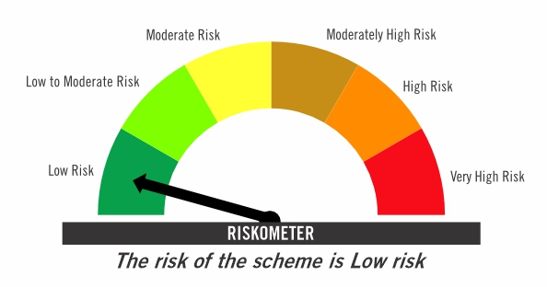

Primary Benchmark: Tier-1 Index: NIFTY 1D Rate Index (Effective April 1, 2024, the benchmark of the scheme is changed from CRISIL Liquid Overnight Index)

Risk level of primary benchmark as on March 31, 2025
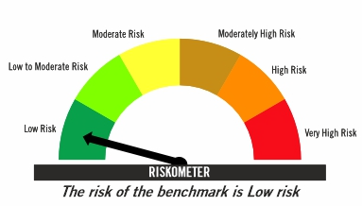

Investors should consult their financial advisers if in doubt about whether the product is suitable for them

This risk-o-meter is subject to change as per Clause 17.4.1 of SEBI Master Circular on Mutual Funds dated June 27, 2024. The changes will be incorporated latest by 10-05-2025 and will be reflected on the below website.
https://www.franklintempletonindia.com

