FIMMF
Franklin India Money Market Fund (formerly known as Franklin India Savings Fund) ^

Portfolio Statement as on October 13, 2023
ISIN Number | Name of the Instrument | Rating | Quantity | Market Value (including accrued interest, if any) (Rs. in Lakhs) | % to Net Assets | YTM
Money Market Instruments
Certificate of Deposit
INE062A16481 | State Bank Of India (15-Mar-2024) ** | IND A1+ | 2,000 | 9,706.44 | 6.48 | 7.22
INE238AD6215 | Axis Bank Ltd (06-Dec-2023) ** | CRISIL A1+ | 1,000 | 4,949.58 | 3.31 | 7.02
INE476A16UL7 | Canara Bank (15-Dec-2023) ** | CRISIL A1+ | 1,000 | 4,941.08 | 3.30 | 7.02
INE692A16FV9 | Union Bank of India (06-Feb-2024) ** | IND A1+ | 1,000 | 4,888.42 | 3.26 | 7.24
INE476A16WM1 | Canara Bank (07-Feb-2024) ** | CRISIL A1+ | 1,000 | 4,887.39 | 3.26 | 7.25
INE160A16MZ4 | Punjab National Bank (16-Feb-2024) ** | CARE A1+ | 1,000 | 4,878.21 | 3.26 | 7.29
INE237A161T7 | Kotak Mahindra Bank Ltd (29-Feb-2024) | CRISIL A1+ | 1,000 | 4,867.50 | 3.25 | 7.20
INE562A16LN9 | Indian Bank (05-Mar-2024) ** | CRISIL A1+ | 1,000 | 4,861.81 | 3.25 | 7.26
INE261F16710 | National Bank For Agriculture & Rural Development (13-Mar-2024) ** | IND A1+ | 1,000 | 4,853.92 | 3.24 | 7.27
INE556F16AG7 | Small Industries Development Bank of India (14-Mar-2024) ** | CARE A1+ | 1,000 | 4,852.68 | 3.24 | 7.29
INE040A16DU8 | HDFC Bank Ltd (20-Mar-2024) ** | CARE A1+ | 1,000 | 4,847.45 | 3.24 | 7.27
INE090A167Z7 | ICICI Bank Ltd (26-Mar-2024) ** | ICRA A1+ | 1,000 | 4,842.58 | 3.23 | 7.24
INE160A16NH0 | Punjab National Bank (07-Mar-2024) ** | CRISIL A1+ | 500 | 2,429.59 | 1.62 | 7.30
Sub Total |  |  |  | 65,806.64 | 43.94

Commercial Paper
INE018A14JV4 | Larsen & Toubro Ltd (17-Oct-2023)@ | CRISIL A1+ | 1,400 | 6,996.08 | 4.67 | 6.82
INE891K14MB9 | Axis Finance Ltd (28-Feb-2024) **@ | IND A1+ | 1,000 | 4,858.76 | 3.24 | 7.75
INE692Q14AY5 | Toyota Financial Services India Ltd (07-Mar-2024) **@ | ICRA A1+ | 1,000 | 4,850.57 | 3.24 | 7.76
INE975F14YC3 | Kotak Mahindra Investments Ltd (15-Mar-2024) **@ | ICRA A1+ | 1,000 | 4,843.86 | 3.23 | 7.69
INE763G14RA9 | ICICI Securities Ltd (18-Mar-2024) **@ | CRISIL A1+ | 1,000 | 4,839.10 | 3.23 | 7.78
INE860H140S0 | Aditya Birla Finance Ltd (15-Dec-2023) **@ | IND A1+ | 900 | 4,444.29 | 2.97 | 7.38
INE916D142N5 | Kotak Mahindra Prime Ltd (21-May-2024) **@ | CRISIL A1+ | 600 | 2,865.21 | 1.91 | 7.81
INE929O14AW0 | Reliance Retail Ventures Ltd (01-Dec-2023) **@ | CARE A1+ | 500 | 2,476.89 | 1.65 | 7.09
Sub Total |  |  |  | 36,174.74 | 24.16

Treasury Bill
IN002023Y177 | 182 DTB (25-Jan-2024) | SOVEREIGN | 20,000,000 | 19,617.50 | 13.10 | 6.91
IN002023Y276 | 182 DTB (29-Mar-2024) | SOVEREIGN | 10,000,000 | 9,687.91 | 6.47 | 7.04
IN002023Y227 | 182 DTB (22-Feb-2024) | SOVEREIGN | 8,000,000 | 7,804.38 | 5.21 | 6.98
Sub Total |  |  |  | 37,109.79 | 24.78

Total |  |  |  | 139,091.16 | 92.88

Call, Cash & Other Assets |  |  |  | 10,667.01 | 7.12

Net Assets |  |  |  | 149,758.18 | 100.00

@ Listed
** Non- Traded Scrips

Notes
a) NAV at the beginning and at the end of the Half-year ended 13-Oct-2023
Plan/Option |  | As on 13-Apr-2023 | As on 13-Oct-2023
Retail Plan Growth Option |  | 42.6523 | 44.1463
Retail Plan Daily IDCW Option |  | 10.0457 | 10.0455
Retail Plan Monthly IDCW Option |  | 10.2920 | 10.3471
Retail Plan Quarterly IDCW Option |  | 10.5123 | 10.6377
Direct Retail Plan Growth Option |  | 43.9215 | 45.4955
Direct Retail Plan Daily IDCW Option |  | 10.0571 | 10.0569
Direct Retail Plan Monthly IDCW Option |  | 10.7063 | 10.7841
Direct Retail Plan Quarterly IDCW Option |  | 10.9826 | 11.1329

b) Aggregate Distributions declared during the Half - year ended 13-Oct-2023
Plan Name |  | Distributions per unit (Rs.)+++
Retail Plan Daily IDCW Option |  | 0.3462
Retail Plan Monthly IDCW Option |  | 0.3000
Retail Plan Quarterly IDCW Option |  | 0.2400
Direct Retail Plan Daily IDCW Option |  | 0.3542
Direct Retail Plan Monthly IDCW Option |  | 0.3000
Direct Retail Plan Quarterly IDCW Option |  | 0.2400
+++ Distribution payouts/ re-investments are subject to deduction of TDS at the applicable rates.
IDCW - Income Distribution cum capital withdrawal

c) Residual maturity / Average Maturity as on 13-Oct-2023 |  |  | 0.31 | (In Years)

d) During the fortnight additional instances of fair valuation/deviation from valuation price provided by the valuation agencies |  |  | Nil

e) Risk-o-meter

Risk level based on portfolio as on September 30, 2023
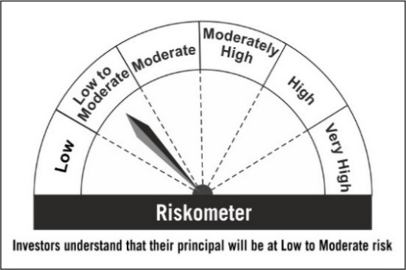

Primary Benchmark: Tier-1 Index: NIFTY Money Market Index B-I

Risk level of tier-1 benchmark as on September 29, 2023
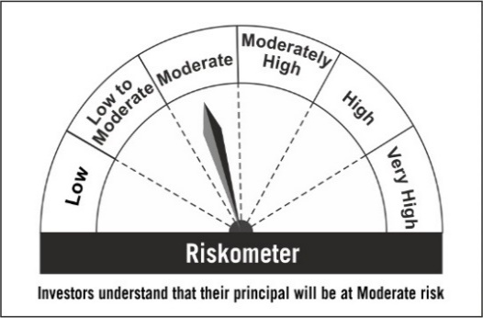

Tier-2 Index: NIFTY Money Market Index A-I

Risk level of tier-2 benchmark as on September 29, 2023
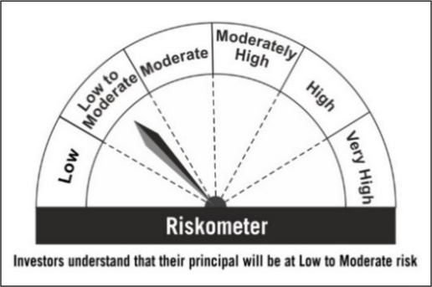

^ Franklin India Savings Fund is renames as Franklin India Money Market effective May 15, 2023.

