FIFRF
Franklin India Floating Rate Fund

Portfolio Statement as on October 13, 2023
ISIN Number | Name of the Instrument | Rating | Quantity | Market Value (including accrued interest, if any) (Rs. in Lakhs) | % to Net Assets | YTM
Debt Instruments
(a) Listed / awaiting listing on Stock Exchanges
INE651J07739 | JM Financial Credit Solutions Ltd (1Y SBI MCLR + 460 Bps) (23-Jul-2024) ** | ICRA AA | 100 | 1,010.45 | 2.72 | 10.04
Sub Total |  |  |  | 1,010.45 | 2.72

Money Market Instruments
Commercial Paper
INE692Q14AW9 | Toyota Financial Services India Ltd (20-Nov-2023) **@ | ICRA A1+ | 500 | 2,481.36 | 6.69 | 7.41
INE040A14136 | HDFC Bank Ltd (28-Nov-2023) **@ | CRISIL A1+ | 500 | 2,477.43 | 6.68 | 7.39
Sub Total |  |  |  | 4,958.79 | 13.37

Treasury Bill
IN002023Y276 | 182 DTB (29-Mar-2024) | SOVEREIGN | 2,500,000 | 2,421.98 | 6.53 | 7.04
Sub Total |  |  |  | 2,421.98 | 6.53

Government Securities
IN0020200120 | GOI FRB 2033 (22-Sep-2033) | SOVEREIGN | 9,000,000 | 9,163.09 | 24.70 | 8.10
IN0020210160 | GOI FRB 2028 (04-Oct-2028) | SOVEREIGN | 8,500,000 | 8,468.81 | 22.83 | 7.72
IN0020180041 | GOI FRB 2031 (07-Dec-2031) | SOVEREIGN | 3,000,000 | 3,113.33 | 8.39 | 7.61
IN0020220037 | 7.38% GOI 2027 (20-Jun-2027) | SOVEREIGN | 2,000,000 | 2,050.04 | 5.53 | 7.46
IN0020210137 | GOI FRB 2034 (30-Oct-2034) | SOVEREIGN | 500,000 | 516.30 | 1.39 | 7.68
Sub Total |  |  |  | 23,311.57 | 62.84

Total |  |  |  | 31,702.79 | 85.46

Call, Cash & Other Assets |  |  |  | 5,393.22 | 14.54

Net Assets |  |  |  | 37,096.01 | 100.00

@ Listed
** Non- Traded Scrips

This scheme has exposure to floating rate instruments. The duration of these instruments is linked to the interest rate reset period. The interest rate risk in a floating rate instrument or in a fixed rate instrument hedged with derivatives is likely to be lesser than that in an equivalent maturity fixed rate instrument. Under some market circumstances the volatility may be of an order greater than what may ordinarily be expected considering only its duration. Hence investors are recommended to consider the unadjusted portfolio maturity of the scheme as well and exercise adequate due diligence when deciding to make their investments.

Notes
a) NAV at the beginning and at the end of the Half-year ended 13-Oct-2023
Plan/Option |  | As on 13-Apr-2023 | As on 13-Oct-2023
Growth Plan |  | 34.2376 | 35.4866
Daily IDCW Plan |  | 10.1473 | 10.1851
Direct Growth Plan |  | 36.7852 | 38.2636
Direct Daily IDCW Plan |  | 10.0452 | 10.0838

b) Aggregate Distributions declared during the Half - year ended 13-Oct-2023
Plan Name |  | Distributions per unit (Rs.)+++
Daily IDCW Plan |  | 0.3267
Direct Daily IDCW Plan |  | 0.3500
+++ Distribution payouts/ re-investments are subject to deduction of TDS at the applicable rates.
IDCW - Income Distribution cum capital withdrawal

c) Residual maturity / Average Maturity as on 13-Oct-2023 |  |  | 4.69 | (In Years)

d) During the fortnight additional instances of fair valuation/deviation from valuation price provided by the valuation agencies |  |  | Nil

e) Risk-o-meter

Risk level based on portfolio as on September 30, 2023
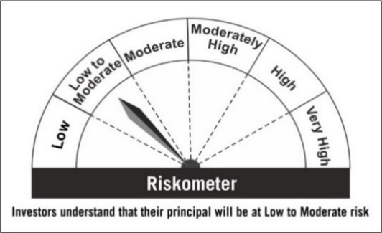

Primary Benchmark: CRISIL Low Duration Debt Index

Risk level of primary benchmark as on September 30, 2023
