FIDHY
Franklin India Debt Hybrid Fund

Portfolio Statement as on April 30, 2025
ISIN Number | Name of the Instrument | Industry Classification / Rating | Quantity | Market Value (including accrued interest, if any) (Rs. in Lakhs) | % to Net Assets | YTM
Equity & Equity related
(a) Listed / awaiting listing on Stock Exchanges
INE040A01034 | HDFC Bank Ltd | Banks | 28,000 | 539.00 | 2.68
INE090A01021 | ICICI Bank Ltd | Banks | 34,000 | 485.18 | 2.41
INE238A01034 | Axis Bank Ltd | Banks | 19,500 | 231.08 | 1.15
INE009A01021 | Infosys Ltd | IT - Software | 15,000 | 225.02 | 1.12
INE397D01024 | Bharti Airtel Ltd | Telecom - Services | 11,300 | 210.69 | 1.05
INE018A01030 | Larsen & Toubro Ltd | Construction | 6,000 | 200.46 | 1.00
INE002A01018 | Reliance Industries Ltd | Petroleum Products | 11,000 | 154.55 | 0.77
INE860A01027 | HCL Technologies Ltd | IT - Software | 9,500 | 148.91 | 0.74
INE129A01019 | GAIL (India) Ltd | Gas | 70,000 | 132.36 | 0.66
INE733E01010 | NTPC Ltd | Power | 37,000 | 131.18 | 0.65
INE854D01024 | United Spirits Ltd | Beverages | 8,200 | 128.24 | 0.64
INE758T01015 | Eternal Ltd | Retailing | 53,000 | 123.24 | 0.61
INE585B01010 | Maruti Suzuki India Ltd | Automobiles | 1,000 | 122.57 | 0.61
INE795G01014 | HDFC Life Insurance Co Ltd | Insurance | 15,000 | 111.56 | 0.55
INE481G01011 | Ultratech Cement Ltd | Cement & Cement Products | 900 | 104.77 | 0.52
INE437A01024 | Apollo Hospitals Enterprise Ltd | Healthcare Services | 1,500 | 104.66 | 0.52
INE044A01036 | Sun Pharmaceutical Industries Ltd | Pharmaceuticals & Biotechnology | 5,500 | 100.78 | 0.50
INE155A01022 | Tata Motors Ltd | Automobiles | 15,000 | 96.64 | 0.48
INE417T01026 | PB Fintech Ltd | Financial Technology (Fintech) | 5,500 | 89.39 | 0.44
INE062A01020 | State Bank of India | Banks | 11,300 | 89.12 | 0.44
INE406M01024 | Eris Lifesciences Ltd | Pharmaceuticals & Biotechnology | 5,700 | 81.63 | 0.41
INE030A01027 | Hindustan Unilever Ltd | Diversified Fmcg | 3,400 | 79.63 | 0.40
INE797F01020 | Jubilant Foodworks Ltd | Leisure Services | 10,200 | 72.97 | 0.36
INE572E01012 | PNB Housing Finance Ltd | Finance | 7,000 | 70.71 | 0.35
INE970X01018 | Lemon Tree Hotels Ltd | Leisure Services | 50,000 | 68.46 | 0.34
INE299U01018 | Crompton Greaves Consumer Electricals Ltd | Consumer Durables | 20,000 | 67.46 | 0.34
INE885A01032 | Amara Raja Energy And Mobility Ltd | Auto Components | 6,800 | 66.09 | 0.33
INE806T01020 | Sapphire Foods India Ltd | Leisure Services | 19,000 | 60.14 | 0.30
INE974X01010 | Tube Investments of India Ltd | Auto Components | 2,000 | 57.97 | 0.29
INE306R01017 | Intellect Design Arena Ltd | IT - Software | 7,000 | 55.27 | 0.27
INE196A01026 | Marico Ltd | Agricultural Food & Other Products | 7,600 | 53.99 | 0.27
INE121J01017 | Indus Towers Ltd | Telecom - Services | 13,000 | 53.07 | 0.26
INE669C01036 | Tech Mahindra Ltd | IT - Software | 3,500 | 52.61 | 0.26
INE646L01027 | Interglobe Aviation Ltd | Transport Services | 1,000 | 52.50 | 0.26
INE371P01015 | Amber Enterprises India Ltd | Consumer Durables | 800 | 49.24 | 0.24
INE811K01011 | Prestige Estates Projects Ltd | Realty | 3,500 | 48.13 | 0.24
INE263A01024 | Bharat Electronics Ltd | Aerospace & Defense | 15,000 | 47.12 | 0.23
INE081A01020 | Tata Steel Ltd | Ferrous Metals | 32,000 | 44.83 | 0.22
INE213A01029 | Oil & Natural Gas Corporation Ltd | Oil | 18,000 | 44.00 | 0.22
INE146L01010 | Kirloskar Oil Engines Ltd | Industrial Products | 5,679 | 42.39 | 0.21
INE488A01050 | Chemplast Sanmar Ltd | Chemicals & Petrochemicals | 10,000 | 41.07 | 0.20
INE665J01013 | V-Mart Retail Ltd | Retailing | 1,250 | 40.83 | 0.20
INE121A01024 | Cholamandalam Investment and Finance Co Ltd | Finance | 2,500 | 37.31 | 0.19
INE940H01022 | Pearl Global Industries Ltd | Textiles & Apparels | 3,435 | 32.95 | 0.16
INE112L01020 | Metropolis Healthcare Ltd | Healthcare Services | 1,916 | 32.60 | 0.16
INE095A01012 | IndusInd Bank Ltd | Banks | 3,472 | 29.11 | 0.14
INE985S01024 | Teamlease Services Ltd | Commercial Services & Supplies | 1,300 | 24.58 | 0.12
INE520A01027 | Zensar Technologies Ltd | IT - Software | 1,014 | 7.30 | 0.04
Sub Total |  |  |  | 4,943.30 | 24.59

Debt Instruments
(a) Listed / awaiting listing on Stock Exchanges
INE296A07SV1 | 7.82% Bajaj Finance Ltd (31-Jan-2034) ** | IND AAA | 1,500 | 1,556.64 | 7.74 | 7.49
INE020B08FJ3 | 0.00% REC Ltd (03-Nov-2034) | CRISIL AAA | 2,000 | 1,089.59 | 5.42 | 6.60
INE950O07420 | 8.20% Mahindra Rural Housing Finance Ltd (30-Jan-2026) ** | CRISIL AAA | 1,000 | 1,026.63 | 5.11 | 7.19
INE261F08EO7 | 7.48% National Bank For Agriculture & Rural Development (15-Sep-2028) | IND AAA | 1,000 | 1,025.60 | 5.10 | 6.91
INE556F08KP4 | 7.68% Small Industries Development Bank Of India (10-Aug-2027) | CRISIL AAA | 1,000 | 1,023.80 | 5.09 | 6.90
INE377Y07417 | 7.90% Bajaj Housing Finance Ltd (28-Apr-2028) ** | CRISIL AAA | 100 | 1,020.15 | 5.07 | 7.15
INE634S07033 | 7.97% Mankind Pharma Ltd (16-Nov-2027) ** | CRISIL AA+ | 1,000 | 1,018.41 | 5.07 | 7.44
INE511C07847 | 7.70% Poonawalla Fincorp Ltd (21-Apr-2028) ** | CRISIL AAA | 1,000 | 1,004.61 | 5.00 | 7.60
INE975F07IR8 | 8.3774% Kotak Mahindra Investments Ltd (21-Jun-2027) ** | CRISIL AAA | 500 | 545.45 | 2.71 | 7.38
INE774D07UX3 | 8.10% Mahindra & Mahindra Financial Services Ltd (21-May-2026) ** | CRISIL AAA | 500 | 541.86 | 2.70 | 7.36
Sub Total |  |  |  | 9,852.73 | 49.01

Government Securities
IN3420240316 | 7.10% West Bengal SDL (26-Mar-2047) | SOVEREIGN | 500,000 | 519.76 | 2.59 | 6.93
IN2020240320 | 7.10% Kerala SDL (26-Mar-2043) | SOVEREIGN | 500,000 | 519.30 | 2.58 | 6.91
IN3420240308 | 7.10% West Bengal SDL (26-Mar-2046) | SOVEREIGN | 500,000 | 518.85 | 2.58 | 6.94
IN2920240545 | 7.10% Rajasthan SDL (26-Mar-2043) | SOVEREIGN | 500,000 | 518.50 | 2.58 | 6.92
IN3420240290 | 7.10% West Bengal SDL (26-Mar-2045) | SOVEREIGN | 500,000 | 517.38 | 2.57 | 6.96
IN0020240126 | 6.79% GOI 2034 (07-Oct-2034) | SOVEREIGN | 500,000 | 517.36 | 2.57 | 6.46
...
c) Residual maturity / Average Maturity as on 30-Apr-2025 |  |  | 8.21 | (In Years)

d) During the fortnight additional instances of fair valuation/deviation from valuation price provided by the valuation agencies |  |  | Nil

e) Post the creation of the segregated portfolio (10.25% Yes Bank Ltd CO 05Mar 20) on March 6, 2020, the full principal due, along with the interest from March 6, 2020 to December 29, 2020 was received by the segregated portfolio on December 30, 2020. With these receipts, the segregated portfolio completed full recovery on December 30, 2020.

f) Risk-o-meter

Risk level based on portfolio as on March 31, 2025

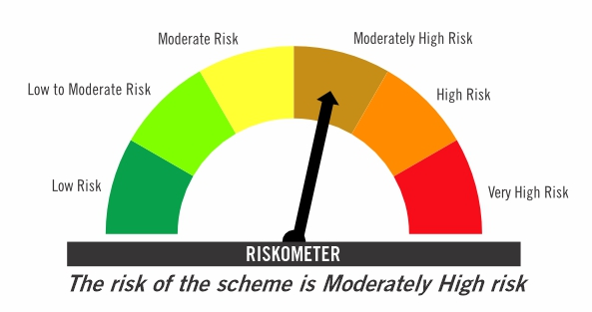

Primary Benchmark: CRISIL Hybrid 85+15 Conservative Index

Risk level of primary benchmark as on March 31, 2025
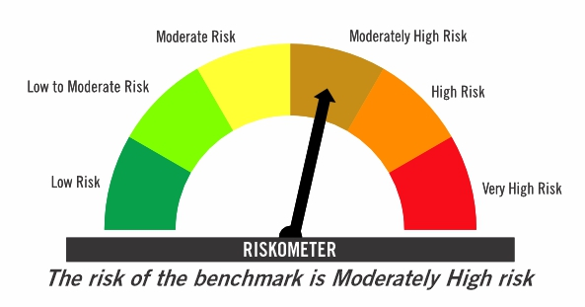

Investors should consult their financial advisers if in doubt about whether the product is suitable for them

This risk-o-meter is subject to change as per Clause 17.4.1 of SEBI Master Circular on Mutual Funds dated June 27, 2024. The changes will be incorporated latest by 10-05-2025 and will be reflected on the below website.
...

