FIONF
Franklin India Overnight Fund

Portfolio Statement as on October 13, 2023
ISIN Number | Name of the Instrument | Rating | Quantity | Market Value (including accrued interest, if any) (Rs. in Lakhs) | % to Net Assets | YTM
Money Market Instruments
Treasury Bill
IN002023X187 | 91 DTB (02-Nov-2023) | SOVEREIGN | 500,000 | 498.24 | 1.90 | 6.78
IN002023X195 | 91 DTB (09-Nov-2023) | SOVEREIGN | 500,000 | 497.60 | 1.90 | 6.78
IN002023Y037 | 182 DTB (19-Oct-2023) | SOVEREIGN | 400,000 | 399.63 | 1.53 | 6.68
Sub Total |  |  |  | 1,395.47 | 5.33

Total |  |  |  | 1,395.47 | 5.33

Call, Cash & Other Assets |  |  |  | 24,796.80 | 94.67

Net Assets |  |  |  | 26,192.27 | 100.00

Notes
a) NAV at the beginning and at the end of the Half-year ended 13-Oct-2023
Plan/Option |  | As on 13-Apr-2023 | As on 13-Oct-2023
Growth Plan |  | 1,170.3703 | 1,208.4041
Daily IDCW Plan |  | 1,000.0000 | 1,000.0000
Weekly IDCW Plan |  | 1,000.6605 | 1,000.9041
Direct Growth Plan |  | 1,172.8572 | 1,211.2782
Direct Daily IDCW Plan |  | 1,000.0000 | 1,000.0007
Direct Weekly IDCW Plan |  | 1,000.6640 | 1,000.9078
Unclaimed Redemption Plan |  | 10.6451 | 10.9938
Unclaimed IDCW Plan |  | 10.6451 | 10.9938
Unclaimed Redemption Investor Education Plan |  | 10.0000 | 10.0000
Unclaimed IDCW Investor Education Plan |  | 10.0000 | 10.0000

b) Aggregate Distributions declared during the Half - year ended 13-Oct-2023
Plan Name |  | Distributions per unit (Rs.)+++
Daily IDCW Plan |  | 31.9768
Weekly IDCW Plan |  | 31.8847
Direct Daily IDCW Plan |  | 32.3426
Direct Weekly IDCW Plan |  | 32.0406
+++ Distribution payouts/ re-investments are subject to deduction of TDS at the applicable rates.
IDCW - Income Distribution cum capital withdrawal

c) Residual maturity / Average Maturity as on 13-Oct-2023 |  |  | 0.003 | (In Years)

d) During the fortnight additional instances of fair valuation/deviation from valuation price provided by the valuation agencies |  |  | Nil

e) Risk-o-meter

Risk level based on portfolio as on September 30, 2023
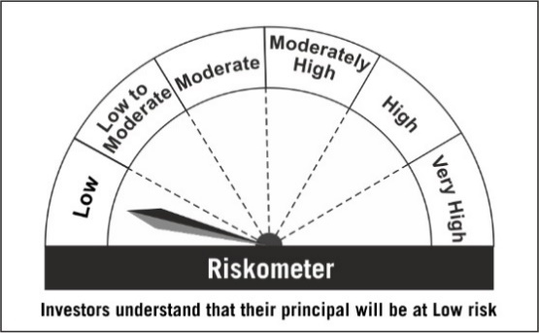

Primary Benchmark: Tier-1 Index: CRISIL Liquid Overnight Index (The benchmark is renamed from CRISIL Overnight Fund AI Index w.e.f Apr 3, 2023)

Risk level of primary benchmark as on September 30, 2023

