FIGSF
Franklin India Government Securities Fund

Portfolio Statement as on October 13, 2023
ISIN Number | Name of the Instrument | Rating | Quantity | Market Value (including accrued interest, if any) (Rs. in Lakhs) | % to Net Assets | YTM
Money Market Instruments
Treasury Bill
IN002023Y276 | 182 DTB (29-Mar-2024) | SOVEREIGN | 5,000,000 | 4,843.96 | 37.33 | 7.04
IN002023X161 | 91 DTB (19-Oct-2023) | SOVEREIGN | 2,000,000 | 1,998.17 | 15.40 | 6.68
IN002023Y037 | 182 DTB (19-Oct-2023) | SOVEREIGN | 1,500,000 | 1,498.63 | 11.55 | 6.68
IN002023X187 | 91 DTB (02-Nov-2023) | SOVEREIGN | 1,000,000 | 996.49 | 7.68 | 6.78
Sub Total |  |  |  | 9,337.24 | 71.96

Government Securities
IN0020230085 | 7.18% GOI 2033 (14-Aug-2033) | SOVEREIGN | 1,500,000 | 1,503.23 | 11.58 | 7.45
Sub Total |  |  |  | 1,503.23 | 11.58

Total |  |  |  | 10,840.47 | 83.54

Call, Cash & Other Assets |  |  |  | 2,136.02 | 16.46

Net Assets |  |  |  | 12,976.49 | 100.00

Notes
a) NAV at the beginning and at the end of the Half-year ended 13-Oct-2023
Plan/Option |  | As on 13-Apr-2023 | As on 13-Oct-2023
Growth Option |  | 50.7461 | 51.6825
Quarterly IDCW Option |  | 10.1875 | 10.1899
Direct Growth Option |  | 54.9739 | 56.1317
Direct Quarterly IDCW Option |  | 11.4767 | 11.4675

b) Aggregate Distributions declared during the Half - year ended 13-Oct-2023
Plan Name |  | Distributions per unit (Rs.)+++
Quarterly IDCW Option |  | 0.1850
Direct Quarterly IDCW Option |  | 0.2500
+++ Distribution payouts/ re-investments are subject to deduction of TDS at the applicable rates.
IDCW - Income Distribution cum capital withdrawal

c) Residual maturity / Average Maturity as on 13-Oct-2023 |  |  | 1.32 | (In Years)

d) During the fortnight additional instances of fair valuation/deviation from valuation price provided by the valuation agencies |  |  | Nil

e) Risk-o-meter

Risk level based on portfolio as on September 30, 2023
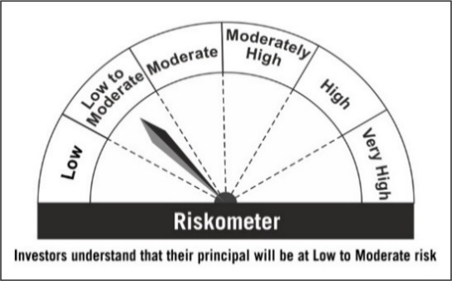

Primary Benchmark: NIFTY All Duration G-Sec Index

Risk level of primary benchmark as on September 29, 2023
