FIONF
Franklin India Overnight Fund

Portfolio Statement as on September 30, 2025
ISIN Number | Name of the Instrument | Rating | Quantity | Market Value (including accrued interest, if any) (Rs. in Lakhs) | % to Net Assets | YTM
Money Market Instruments
Treasury Bill
IN002024Z289 | 364 DTB (23-Oct-2025) $ ~~ | SOVEREIGN | 1,500,000 | 1,495.13 | 3.08 | 5.40
IN002024Z271 | 364 DTB (16-Oct-2025) $ ~~ | SOVEREIGN | 1,200,000 | 1,197.34 | 2.46 | 5.40
IN002025X158 | 91 DTB (09-Oct-2025) $ ~~ | SOVEREIGN | 1,000,000 | 998.82 | 2.06 | 5.40
IN002025X166 | 91 DTB (16-Oct-2025) | SOVEREIGN | 1,000,000 | 997.79 | 2.05 | 5.40
Sub Total |  |  |  | 4,689.08 | 9.65

Total |  |  |  | 4,689.08 | 9.65

Call, Cash & Other Assets |  |  |  | 43,894.06 | 90.35

Net Assets |  |  |  | 48,583.14 | 100.00
$ ~~ 100%of the Investment in this security by scheme is placed with Clearing Corporation of India Limited (CCIL) as collateral.

Notes
a) NAV at the beginning and at the end of the Half-year ended 30-Sep-2025
Plan/Option |  | As on 31-Mar-2025 | As on 30-Sep-2025
Growth Plan |  | 1,327.3686 | 1,364.1644
Daily IDCW Plan |  | 1000.5808 # | 1,000.0001
Weekly IDCW Plan |  | 1001.4539 # | 1,000.3088
Direct Growth Plan |  | 1,331.3798 | 1,368.5822
Direct Daily IDCW Plan |  | 1000.5845 # | 1,000.0008
Direct Weekly IDCW Plan |  | 1001.4557 # | 1,000.3056
Unclaimed Redemption Plan |  | 12.0838 # | 12.4214
Unclaimed IDCW Plan |  | 12.0838 # | 12.4214
Unclaimed Redemption Investor Education Plan |  | 10.0000 # | 10.0000
Unclaimed IDCW Investor Education Plan |  | 10.0000 # | 10.0000

# Non-business day NAV computed for disclosure purposes only.

b) Aggregate Distributions declared during the Half - year ended 30-Sep-2025
Plan Name |  | Distributions per unit (Rs.)+++
Daily IDCW Plan |  | 27.6962
Weekly IDCW Plan |  | 28.5313
Direct Daily IDCW Plan |  | 28.1751
Direct Weekly IDCW Plan |  | 28.7378
+++ Distribution payouts/ re-investments are subject to deduction of TDS at the applicable rates.
IDCW - Income Distribution cum capital withdrawal

c) Residual maturity / Average Maturity as on 30-Sep-2025 |  |  | 0.004 | (In Years)

d) During the month additional instances of fair valuation/deviation from valuation price provided by the valuation agencies |  |  | Nil

e) Risk-o-meter

Risk level based on portfolio as on September 30, 2025
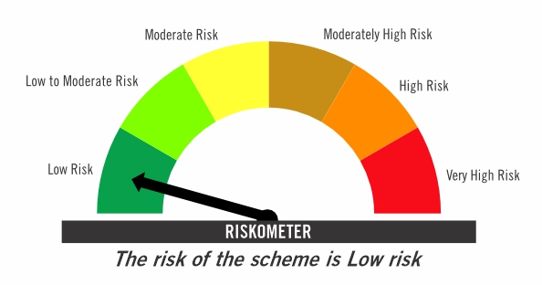

Primary Benchmark: Tier-1 Index: NIFTY 1D Rate Index (Effective April 1, 2024, the benchmark of the scheme is changed from CRISIL Liquid Overnight Index)

Risk level of primary benchmark as on September 30, 2025
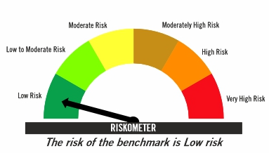

Investors should consult their financial advisers if in doubt about whether the product is suitable for them

FIRF
Franklin India Retirement Fund (formerly known as Franklin India Pension Plan)^

Portfolio Statement as on September 30, 2025
ISIN Number | Name of the Instrument | Industry Classification / Rating | Quantity | Market Value (including accrued interest, if any) (Rs. in Lakhs) | % to Net Assets | YTM
Equity & Equity related
(a) Listed / awaiting listing on Stock Exchanges
INE040A01034 | HDFC Bank Ltd | Banks | 220,000 | 2,092.20 | 4.07
INE090A01021 | ICICI Bank Ltd | Banks | 112,500 | 1,516.50 | 2.95
INE018A01030 | Larsen & Toubro Ltd | Construction | 27,100 | 991.59 | 1.93
INE397D01024 | Bharti Airtel Ltd | Telecom - Services | 48,000 | 901.63 | 1.76
INE009A01021 | Infosys Ltd | IT - Software | 58,000 | 836.24 | 1.63
INE238A01034 | Axis Bank Ltd | Banks | 73,000 | 826.07 | 1.61
INE002A01018 | Reliance Industries Ltd | Petroleum Products | 60,000 | 818.40 | 1.59
INE758T01015 | Eternal Ltd | Retailing | 200,000 | 651.00 | 1.27
INE860A01027 | HCL Technologies Ltd | IT - Software | 41,000 | 567.89 | 1.11
INE481G01011 | Ultratech Cement Ltd | Cement & Cement Products | 3,900 | 476.66 | 0.93
INE062A01020 | State Bank of India | Banks | 53,000 | 462.40 | 0.90
INE733E01010 | NTPC Ltd | Power | 135,000 | 459.61 | 0.90
INE437A01024 | Apollo Hospitals Enterprise Ltd | Healthcare Services | 6,000 | 444.54 | 0.87
INE854D01024 | United Spirits Ltd | Beverages | 32,000 | 423.78 | 0.83
INE101A01026 | Mahindra & Mahindra Ltd | Automobiles | 11,500 | 394.11 | 0.77
INE044A01036 | Sun Pharmaceutical Industries Ltd | Pharmaceuticals & Biotechnology | 24,000 | 382.63 | 0.75
INE417T01026 | PB Fintech Ltd | Financial Technology (Fintech) | 21,000 | 357.42 | 0.70
INE129A01019 | GAIL (India) Ltd | Gas | 200,000 | 352.58 | 0.69
INE795G01014 | HDFC Life Insurance Co Ltd | Insurance | 45,000 | 340.40 | 0.66
INE030A01027 | Hindustan Unilever Ltd | Diversified Fmcg | 11,500 | 289.16 | 0.56
INE263A01024 | Bharat Electronics Ltd | Aerospace & Defense | 70,000 | 282.77 | 0.55
INE646L01027 | Interglobe Aviation Ltd | Transport Services | 5,000 | 279.73 | 0.54
INE406M01024 | Eris Lifesciences Ltd | Pharmaceuticals & Biotechnology | 17,400 | 275.95 | 0.54
INE112L01020 | Metropolis Healthcare Ltd | Healthcare Services | 13,500 | 274.86 | 0.54
INE371P01015 | Amber Enterprises India Ltd | Consumer Durables | 3,365 | 272.19 | 0.53
INE299U01018 | Crompton Greaves Consumer Electricals Ltd | Consumer Durables | 93,000 | 270.91 | 0.53
INE797F01020 | Jubilant Foodworks Ltd | Leisure Services | 42,300 | 261.16 | 0.51
INE603J01030 | PI Industries Ltd | Fertilizers & Agrochemicals | 7,300 | 256.49 | 0.50
INE974X01010 | Tube Investments of India Ltd | Auto Components | 8,000 | 247.74 | 0.48
INE486A01021 | CESC Ltd | Power | 150,000 | 242.93 | 0.47
INE585B01010 | Maruti Suzuki India Ltd | Automobiles | 1,500 | 240.44 | 0.47
INE811K01011 | Prestige Estates Projects Ltd | Realty | 15,500 | 234.07 | 0.46
INE196A01026 | Marico Ltd | Agricultural Food & Other Products | 31,800 | 221.77 | 0.43
INE081A01020 | Tata Steel Ltd | Ferrous Metals | 127,000 | 214.34 | 0.42
INE146L01010 | Kirloskar Oil Engines Ltd | Industrial Products | 23,000 | 211.32 | 0.41
INE885A01032 | Amara Raja Energy And Mobility Ltd | Auto Components | 21,000 | 207.76 | 0.40
INE342J01019 | ZF Commercial Vehicle Control Systems India Ltd | Auto Components | 1,580 | 203.90 | 0.40
INE970X01018 | Lemon Tree Hotels Ltd | Leisure Services | 120,000 | 199.57 | 0.39
INE665J01013 | V-Mart Retail Ltd | Retailing | 27,000 | 191.65 | 0.37
INE765G01017 | ICICI Lombard General Insurance Co Ltd | Insurance | 10,000 | 188.98 | 0.37
INE488A01050 | Chemplast Sanmar Ltd | Chemicals & Petrochemicals | 45,000 | 175.01 | 0.34
INE572E01012 | PNB Housing Finance Ltd | Finance | 20,000 | 172.72 | 0.34
INE121J01017 | Indus Towers Ltd | Telecom - Services | 50,000 | 171.45 | 0.33
INE940H01022 | Pearl Global Industries Ltd | Textiles & Apparels | 12,992 | 165.31 | 0.32
INE806T01020 | Sapphire Foods India Ltd | Leisure Services | 37,022 | 108.77 | 0.21
INE985S01024 | Teamlease Services Ltd | Commercial Services & Supplies | 6,000 | 106.84 | 0.21
...
b) Aggregate Distributions declared during the Half - year ended 30-Sep-2025 |  |  | Nil

c) Residual maturity / Average Maturity as on 30-Sep-2025 |  |  | 6.75 | (In Years)

d) During the month additional instances of fair valuation/deviation from valuation price provided by the valuation agencies |  |  | Nil

e) Risk-o-meter

Risk level based on portfolio as on September 30, 2025

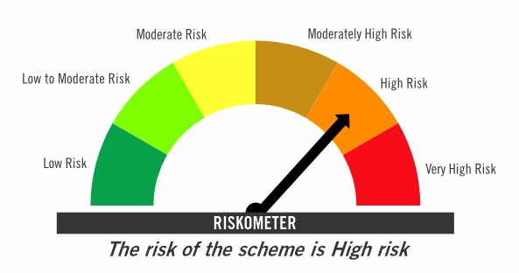

Primary Benchmark: CRISIL Short Term Debt Hybrid 60+40 Index (Effective August 12, 2024, the benchmark is changed from 40% Nifty 500+60% Crisil Composite Bond Index)

Risk level of primary benchmark as on September 30, 2025
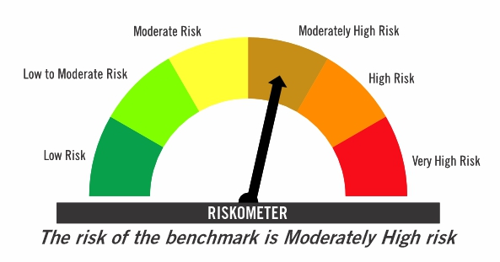

^ Franklin India Pension Plan is renames as Franklin India Retirement Fund effective July 11, 2025.

Investors should consult their financial advisers if in doubt about whether the product is suitable for them

FICHF
...
b) Aggregate Distributions declared during the Half - year ended 30-Sep-2025
IDCW - Income Distribution cum capital withdrawal

c) Residual maturity / Average Maturity as on 30-Sep-2025 | 10.19 | (In Years)

d) During the month additional instances of fair valuation/deviation from valuation price provided by the valuation agencies | Nil

e) Risk-o-meter

Risk level based on portfolio as on September 30, 2025

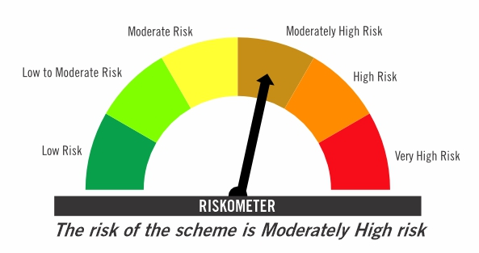

Primary Benchmark: CRISIL Hybrid 85+15 Conservative Index

Risk level of primary benchmark as on September 30, 2025
...

FIMAAF
...
e) Portfolio Turnover Ratio during the Half - year 30-Sep-2025 | 1.17%

f) Residual maturity / Average Maturity as on 30-Sep-2025 | 0.85 | (In Years)

g) During the month additional instances of fair valuation/deviation from valuation price provided by the valuation agencies | Nil

h) Risk-o-meter

Risk level based on portfolio as on September 30, 2025

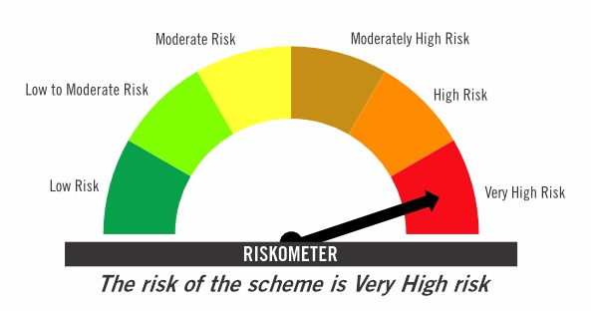

Primary Benchmark: 65% Nifty 500+ 20% Nifty Short Duration Index+ 5% Domestic price of gold+ 5% Domestic price of silver+ 5% iCOMDEX

Risk level of primary benchmark as on September 30, 2025

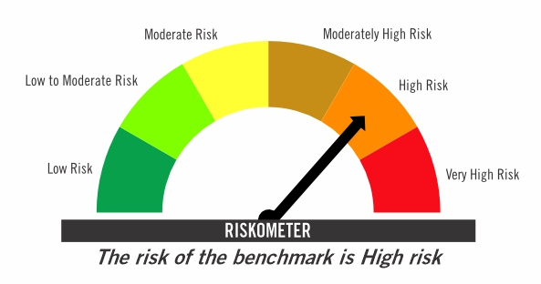

TIVF
...
Tier-2 Index: NIFTY500 Value 50

Risk level of tier-2 benchmark as on September 30, 2025

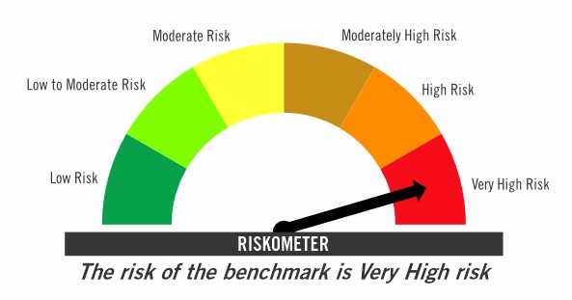

Investors should consult their financial advisers if in doubt about whether the product is suitable for them

