FIONF
Franklin India Overnight Fund

Portfolio Statement as on April 30, 2026
ISIN Number | Name of the Instrument | Rating | Quantity | Market Value (including accrued interest, if any) (Rs. in Lakhs) | % to Net Assets | YTM
Money Market Instruments
Treasury Bill
IN002025X455 | 91 DTB (14-May-2026) $ ~~ | SOVEREIGN | 2,400,000 | 2,395.61 | 2.52 | 5.15
IN002025Y347 | 182 DTB (21-May-2026) $ ~~ | SOVEREIGN | 1,400,000 | 1,396.10 | 1.47 | 5.10
IN002025Z062 | 364 DTB (07-May-2026) | SOVEREIGN | 1,000,000 | 999.16 | 1.05 | 5.11
IN002025X448 | 91 DTB (07-May-2026) | SOVEREIGN | 350,000 | 349.71 | 0.37 | 5.11
IN002025Z070 | 364 DTB (14-May-2026) $ ~~ | SOVEREIGN | 300,000 | 299.45 | 0.32 | 5.15
Sub Total |  |  |  | 5,440.02 | 5.73

Total |  |  |  | 5,440.02 | 5.73

Call, Cash & Other Assets |  |  |  | 89,469.46 | 94.27

Net Assets |  |  |  | 94,909.49 | 100.00
$ ~~ 100.00% of the Investment in this security by scheme is placed with Clearing Corporation of India Limited (CCIL) as collateral.

There are certain Instrument/ Security categories/ sub-categories wherein the schemes do not hold any positions as on April 30, 2026. Accordingly, if there are NIL holdings, the category/sub-category of Instruments/ Securities have not been disclosed in the Portfolio.

Notes
a) NAV at the beginning and at the end of the month ended 30-Apr-2026
Plan/Option |  | As on 31-Mar-2026 # | As on 30-Apr-2026
Growth Plan |  | 1,400.1353 | 1,405.9737
Daily IDCW Plan |  | 1,000.2065 | 1,000.0001
Weekly IDCW Plan |  | 1,000.4258 | 1,000.5642
Direct Growth Plan |  | 1,404.9263 | 1,410.8065
Direct Daily IDCW Plan |  | 1,000.2045 | 1,000.0007
Direct Weekly IDCW Plan |  | 1,000.4220 | 1,000.5639
Unclaimed Redemption Plan |  | 12.7513 | 12.8046
Unclaimed IDCW Plan |  | 12.7513 | 12.8046
Unclaimed Redemption Investor Education Plan |  | 10.0000 | 10.0000
Unclaimed IDCW Investor Education Plan |  | 10.0000 | 10.0000

# Non-business day NAV computed for disclosure purposes only.
b) Aggregate Distributions declared during the month ended 30-Apr-2026
Plan Name |  | Distributions per unit (Rs.)+++
Daily IDCW Plan |  | 4.3190
Weekly IDCW Plan |  | 4.0296
Direct Daily IDCW Plan |  | 4.3833
Direct Weekly IDCW Plan |  | 4.0413
+++ Distribution payouts/ re-investments are subject to deduction of TDS at the applicable rates.
IDCW - Income Distribution cum capital withdrawal

c) Exposure to Derivative Instruments |  |  | Nil

d) Residual maturity / Average Maturity |  |  | 0.002 | (In Years)

e) During the month additional instances of fair valuation/deviation from valuation price provided by the valuation agencies |  |  | Nil

f) The percentage in terms of market value of investments made in Foreign Securities/ADRs/GDRs/Foreign Mutual Fund Units |  |  | Nil

g) Total value and percentage of illiquid securities |  |  | Nil

h) Repo transactions in corporate debt securities during the month |  |  | Nil

i) Term deposits placed as margins for trading in cash and derivatives market |  |  | Nil

j) Security in default beyond maturity date |  |  | Nil

k) Risk-o-meter

Risk level based on portfolio as on April 30, 2026
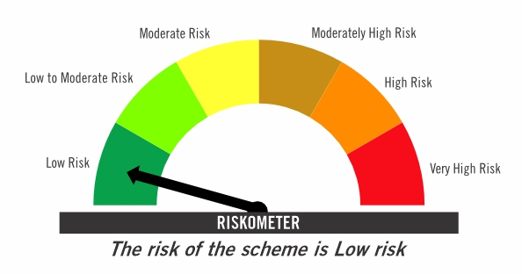

Primary Benchmark: Tier-1 Index: NIFTY 1D Rate Index (Effective April 1, 2024, the benchmark of the scheme is changed from CRISIL Liquid Overnight Index)

Risk level of primary benchmark as on April 30, 2026
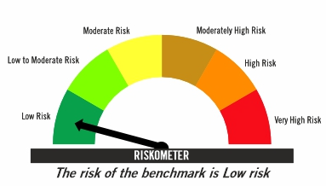

Investors should consult their financial advisers if in doubt about whether the product is suitable for them

FIRF
Franklin India Retirement Fund (formerly known as Franklin India Pension Plan)^

Portfolio Statement as on April 30, 2026
ISIN Number | Name of the Instrument | Industry Classification / Rating | Quantity | Market Value (including accrued interest, if any) (Rs. in Lakhs) | % to Net Assets | YTM
Equity & Equity related
(a) Listed / awaiting listing on Stock Exchanges
INE040A01034 | HDFC Bank Ltd | Banks | 180,000 | 1,389.06 | 2.80
INE090A01021 | ICICI Bank Ltd | Banks | 82,000 | 1,035.99 | 2.09
INE002A01018 | Reliance Industries Ltd | Petroleum Products | 70,000 | 1,001.56 | 2.02
INE062A01020 | State Bank of India | Banks | 80,000 | 854.76 | 1.72
INE238A01034 | Axis Bank Ltd | Banks | 67,000 | 849.76 | 1.71
INE397D01024 | Bharti Airtel Ltd | Telecom - Services | 45,000 | 849.06 | 1.71
INE018A01030 | Larsen & Toubro Ltd | Construction | 20,500 | 822.87 | 1.66
INE009A01021 | Infosys Ltd | IT - Software | 56,604 | 668.95 | 1.35
INE733E01010 | NTPC Ltd | Power | 140,000 | 558.81 | 1.12
INE758T01015 | Eternal Ltd | Retailing | 200,000 | 494.06 | 0.99
INE860A01027 | HCL Technologies Ltd | IT - Software | 41,000 | 491.63 | 0.99
INE481G01011 | Ultratech Cement Ltd | Cement & Cement Products | 4,100 | 475.03 | 0.96
INE437A01024 | Apollo Hospitals Enterprise Ltd | Healthcare Services | 6,000 | 458.19 | 0.92
INE101A01026 | Mahindra & Mahindra Ltd | Automobiles | 14,000 | 433.65 | 0.87
INE146L01010 | Kirloskar Oil Engines Ltd | Industrial Products | 23,000 | 390.59 | 0.79
INE216A01030 | Britannia Industries Ltd | Food Products | 6,700 | 383.64 | 0.77
INE486A01021 | CESC Ltd | Power | 200,000 | 375.06 | 0.75
INE081A01020 | Tata Steel Ltd | Ferrous Metals | 170,000 | 359.31 | 0.72
INE417T01026 | PB Fintech Ltd | Financial Technology (Fintech) | 21,000 | 349.90 | 0.70
INE196A01026 | Marico Ltd | Agricultural Food & Other Products | 42,000 | 325.50 | 0.66
INE263A01024 | Bharat Electronics Ltd | Aerospace & Defense | 70,000 | 301.91 | 0.61
INE211B01039 | Phoenix Mills Ltd | Realty | 17,000 | 300.05 | 0.60
INE371P01015 | Amber Enterprises India Ltd | Consumer Durables | 3,500 | 280.84 | 0.57
INE112L01020 | Metropolis Healthcare Ltd | Healthcare Services | 54,000 | 257.31 | 0.52
INE765G01017 | ICICI Lombard General Insurance Co Ltd | Insurance | 14,000 | 246.85 | 0.50
INE066F01020 | Hindustan Aeronautics Ltd | Aerospace & Defense | 5,000 | 216.94 | 0.44
INE646L01027 | Interglobe Aviation Ltd | Transport Services | 5,000 | 214.77 | 0.43
INE406M01024 | Eris Lifesciences Ltd | Pharmaceuticals & Biotechnology | 15,441 | 204.27 | 0.41
INE585B01010 | Maruti Suzuki India Ltd | Automobiles | 1,500 | 199.71 | 0.40
INE030A01027 | Hindustan Unilever Ltd | Diversified FMCG | 8,500 | 191.33 | 0.39
INE121A01024 | Cholamandalam Investment and Finance Co Ltd | Finance | 12,000 | 187.55 | 0.38
INE976I01016 | Tata Capital Ltd | Finance | 56,000 | 186.56 | 0.38
INE795G01014 | HDFC Life Insurance Co Ltd | Insurance | 30,000 | 176.07 | 0.35
INE208A01029 | Ashok Leyland Ltd | Agricultural, Commercial & Construction Vehicles | 100,000 | 162.09 | 0.33
INE572E01012 | PNB Housing Finance Ltd | Finance | 15,000 | 156.85 | 0.32
INE885A01032 | Amara Raja Energy And Mobility Ltd | Auto Components | 17,690 | 154.71 | 0.31
...
h) Repo transactions in corporate debt securities during the month |  |  | Nil

i) Term deposits placed as margins for trading in cash and derivatives market |  |  | Nil

j) Security in default beyond maturity date |  |  | Nil

k) Risk-o-meter

Risk level based on portfolio as on April 30, 2026
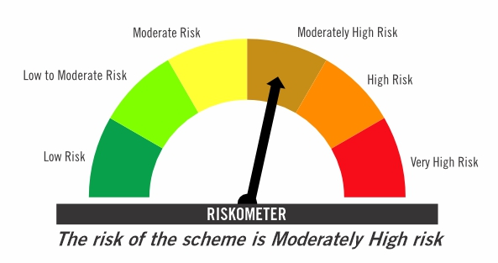

Primary Benchmark: CRISIL Short Term Debt Hybrid 60+40 Index (Effective August 12, 2024, the benchmark is changed from 40% Nifty 500+60% Crisil Composite Bond Index)

Risk level of primary benchmark as on April 30, 2026
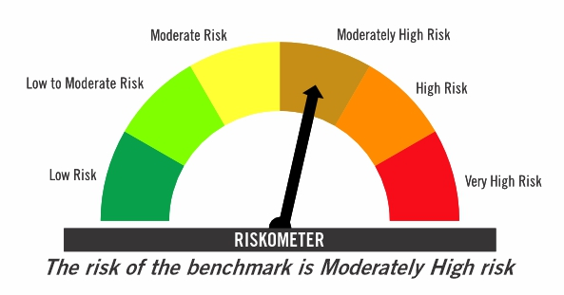

^ Franklin India Pension Plan is renames as Franklin India Retirement Fund effective July 11, 2025.

Investors should consult their financial advisers if in doubt about whether the product is suitable for them

FIMAAF
...
j) Repo transactions in corporate debt securities during the month | Nil

k) Term deposits placed as margins for trading in cash and derivatives market | Nil

l) Security in default beyond maturity date | Nil

m) Risk-o-meter

Risk level based on portfolio as on April 30, 2026

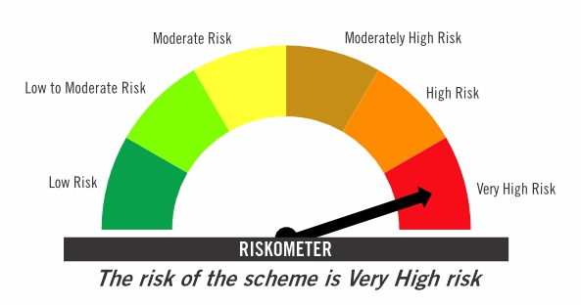

Primary Benchmark: 65% Nifty 500+ 20% Nifty Short Duration Index+ 5% Domestic price of gold+ 5% Domestic price of silver+ 5% iCOMDEX

Risk level of primary benchmark as on April 30, 2026

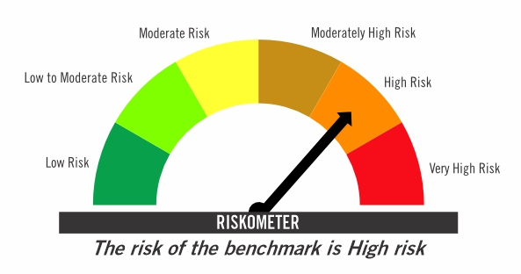

Investors should consult their financial advisers if in doubt about whether the product is suitable for them

TIVF
...
Tier-2 Index: NIFTY500 Value 50

Risk level of primary benchmark as on April 30, 2026

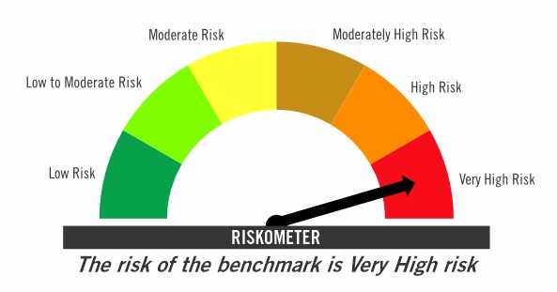

Investors should consult their financial advisers if in doubt about whether the product is suitable for them

FF
...
i) Repo transactions in corporate debt securities during the month | Nil

j) Term deposits placed as margins for trading in cash and derivatives market | Nil

k) Security in default beyond maturity date | Nil

l) Risk-o-meter

Risk level based on portfolio as on April 30, 2026

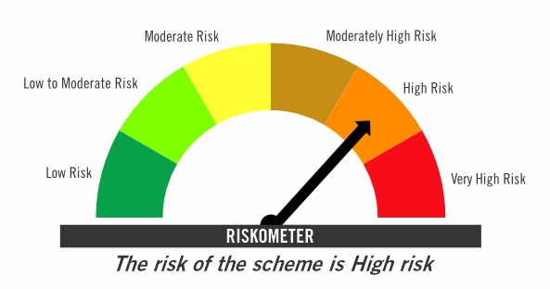

Primary Benchmark: CRISIL Hybrid 50+50 - Moderate Index

Risk level of primary benchmark as on April 30, 2026
...

