FIONF
Franklin India Overnight Fund

Portfolio Statement as on January 30, 2026
ISIN Number | Name of the Instrument | Rating | Quantity | Market Value (including accrued interest, if any) (Rs. in Lakhs) | % to Net Assets | YTM
Money Market Instruments
Treasury Bill
IN002025X356 | 91 DTB (26-Feb-2026) | SOVEREIGN | 2,500,000 | 2,490.95 | 3.09 | 5.10
IN002025Y198 | 182 DTB (05-Feb-2026) | SOVEREIGN | 2,000,000 | 1,998.61 | 2.48 | 5.08
Sub Total |  |  |  | 4,489.56 | 5.57

Total |  |  |  | 4,489.56 | 5.57

Call, Cash & Other Assets |  |  |  | 76,184.10 | 94.43

Net Assets |  |  |  | 80,673.66 | 100.00

Notes
a) NAV at the beginning and at the end of the Half-year ended 30-Jan-2026
Plan/Option |  | As on 31-Jul-2025 | As on 30-Jan-2026
Growth Plan |  | 1,352.0877 | 1,388.6302
Daily IDCW Plan |  | 1,000.0001 | 1,000.0001
Weekly IDCW Plan |  | 1,000.5834 | 1,000.5729
Direct Growth Plan |  | 1,356.3690 | 1,393.2898
Direct Daily IDCW Plan |  | 1,000.0008 | 1,000.0007
Direct Weekly IDCW Plan |  | 1,000.5836 | 1,000.5730
Unclaimed Redemption Plan |  | 12.3106 | 12.6457
Unclaimed IDCW Plan |  | 12.3106 | 12.6457
Unclaimed Redemption Investor Education Plan |  | 10.0000 | 10.0000
Unclaimed IDCW Investor Education Plan |  | 10.0000 | 10.0000

b) Aggregate Distributions declared during the Half - year ended 30-Jan-2026
Plan Name |  | Distributions per unit (Rs.)+++
Daily IDCW Plan |  | 26.3869
Weekly IDCW Plan |  | 26.7340
Direct Daily IDCW Plan |  | 26.8667
Direct Weekly IDCW Plan |  | 26.9100
+++ Distribution payouts/ re-investments are subject to deduction of TDS at the applicable rates.
IDCW - Income Distribution cum capital withdrawal

c) Residual maturity / Average Maturity as on 30-Jan-2026 |  |  | 0.003 | (In Years)

d) During the month additional instances of fair valuation/deviation from valuation price provided by the valuation agencies |  |  | Nil

e) Risk-o-meter

Risk level based on portfolio as on January 30, 2026
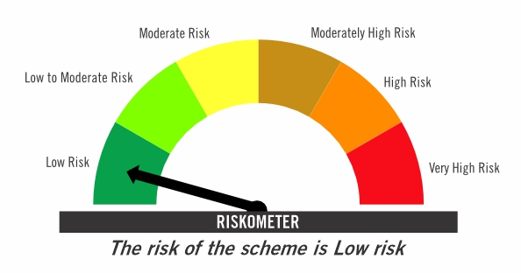

Primary Benchmark: Tier-1 Index: NIFTY 1D Rate Index (Effective April 1, 2024, the benchmark of the scheme is changed from CRISIL Liquid Overnight Index)

Risk level of primary benchmark as on January 30, 2026
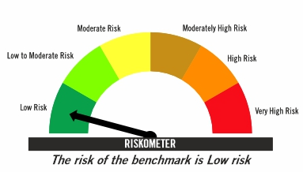

Investors should consult their financial advisers if in doubt about whether the product is suitable for them

FIRF
Franklin India Retirement Fund (formerly known as Franklin India Pension Plan)^

Portfolio Statement as on January 30, 2026
ISIN Number | Name of the Instrument | Industry Classification / Rating | Quantity | Market Value (including accrued interest, if any) (Rs. in Lakhs) | % to Net Assets | YTM
Equity & Equity related
(a) Listed / awaiting listing on Stock Exchanges
INE040A01034 | HDFC Bank Ltd | Banks | 220,000 | 2,044.35 | 4.01
INE090A01021 | ICICI Bank Ltd | Banks | 82,000 | 1,111.10 | 2.18
INE018A01030 | Larsen & Toubro Ltd | Construction | 27,100 | 1,065.65 | 2.09
INE397D01024 | Bharti Airtel Ltd | Telecom - Services | 48,000 | 944.98 | 1.86
INE009A01021 | Infosys Ltd | IT - Software | 56,604 | 928.87 | 1.82
INE238A01034 | Axis Bank Ltd | Banks | 66,000 | 904.46 | 1.78
INE002A01018 | Reliance Industries Ltd | Petroleum Products | 60,000 | 837.24 | 1.64
INE062A01020 | State Bank of India | Banks | 75,000 | 807.86 | 1.59
INE860A01027 | HCL Technologies Ltd | IT - Software | 41,000 | 695.20 | 1.37
INE758T01015 | Eternal Ltd | Retailing | 200,000 | 547.20 | 1.07
INE481G01011 | Ultratech Cement Ltd | Cement & Cement Products | 4,100 | 520.45 | 1.02
INE733E01010 | NTPC Ltd | Power | 135,000 | 480.60 | 0.94
INE101A01026 | Mahindra & Mahindra Ltd | Automobiles | 14,000 | 480.45 | 0.94
INE437A01024 | Apollo Hospitals Enterprise Ltd | Healthcare Services | 6,000 | 417.63 | 0.82
INE795G01014 | HDFC Life Insurance Co Ltd | Insurance | 55,000 | 402.05 | 0.79
INE044A01036 | Sun Pharmaceutical Industries Ltd | Pharmaceuticals & Biotechnology | 24,000 | 382.87 | 0.75
INE216A01030 | Britannia Industries Ltd | Food Products | 6,000 | 351.63 | 0.69
INE417T01026 | PB Fintech Ltd | Financial Technology (Fintech) | 21,000 | 347.45 | 0.68
INE081A01020 | Tata Steel Ltd | Ferrous Metals | 170,000 | 328.32 | 0.64
INE263A01024 | Bharat Electronics Ltd | Aerospace & Defense | 70,000 | 314.30 | 0.62
INE129A01019 | GAIL (India) Ltd | Gas | 175,000 | 292.76 | 0.57
INE211B01039 | Phoenix Mills Ltd | Realty | 17,000 | 284.02 | 0.56
INE146L01010 | Kirloskar Oil Engines Ltd | Industrial Products | 23,000 | 270.02 | 0.53
INE371P01015 | Amber Enterprises India Ltd | Consumer Durables | 4,600 | 262.94 | 0.52
INE112L01020 | Metropolis Healthcare Ltd | Healthcare Services | 13,500 | 252.86 | 0.50
INE196A01026 | Marico Ltd | Agricultural Food & Other Products | 31,800 | 232.08 | 0.46
INE066F01020 | Hindustan Aeronautics Ltd | Aerospace & Defense | 5,000 | 230.97 | 0.45
INE646L01027 | Interglobe Aviation Ltd | Transport Services | 5,000 | 229.83 | 0.45
INE486A01021 | CESC Ltd | Power | 150,000 | 225.24 | 0.44
INE585B01010 | Maruti Suzuki India Ltd | Automobiles | 1,500 | 218.99 | 0.43
INE765G01017 | ICICI Lombard General Insurance Co Ltd | Insurance | 12,000 | 217.69 | 0.43
INE406M01024 | Eris Lifesciences Ltd | Pharmaceuticals & Biotechnology | 15,441 | 212.39 | 0.42
INE797F01020 | Jubilant Foodworks Ltd | Leisure Services | 42,300 | 210.25 | 0.41
INE854D01024 | United Spirits Ltd | Beverages | 15,000 | 204.39 | 0.40
INE030A01027 | Hindustan Unilever Ltd | Diversified FMCG | 8,500 | 201.71 | 0.40
INE208A01029 | Ashok Leyland Ltd | Agricultural, Commercial & Construction Vehicles | 100,000 | 196.69 | 0.39
INE121A01024 | Cholamandalam Investment and Finance Co Ltd | Finance | 12,000 | 195.79 | 0.38
INE603J01030 | PI Industries Ltd | Fertilizers & Agrochemicals | 6,000 | 191.72 | 0.38
INE976I01016 | Tata Capital Ltd | Finance | 56,000 | 191.58 | 0.38
INE885A01032 | Amara Raja Energy And Mobility Ltd | Auto Components | 21,000 | 176.27 | 0.35
INE665J01013 | V-Mart Retail Ltd | Retailing | 27,000 | 170.71 | 0.34
INE985S01024 | Teamlease Services Ltd | Commercial Services & Supplies | 12,000 | 166.14 | 0.33
INE970X01018 | Lemon Tree Hotels Ltd | Leisure Services | 120,000 | 154.91 | 0.30
INE342J01019 | ZF Commercial Vehicle Control Systems India Ltd | Auto Components | 1,000 | 149.89 | 0.29
INE572E01012 | PNB Housing Finance Ltd | Finance | 15,000 | 123.36 | 0.24
INE732I01013 | Angel One Ltd | Capital Markets | 2,000 | 50.82 | 0.10
INE2KCE01013 | Kwality Wall’s India Ltd @@ | Food Products | 11,500 | 14.21 | 0.03
Sub Total |  |  |  | 19,240.87 | 37.78

Debt Instruments
(a) Listed / awaiting listing on Stock Exchanges
INE261F08EO7 | 7.48% National Bank For Agriculture & Rural Development (15-Sep-2028) | IND AAA | 4,500 | 4,655.82 | 9.14 | 7.18
INE1D4P08019 | 0.00% Jubilant Bevco Ltd (31-May-2028) | CRISIL AA | 3,000 | 3,225.59 | 6.33 | 8.46
...
b) Aggregate Distributions declared during the Half - year ended 30-Jan-2026
IDCW - Income Distribution cum capital withdrawal

c) Residual maturity / Average Maturity as on 30-Jan-2026 |  |  | 7.15 | (In Years)

d) During the month additional instances of fair valuation/deviation from valuation price provided by the valuation agencies |  |  | Nil

e) Risk-o-meter

Risk level based on portfolio as on January 30, 2026

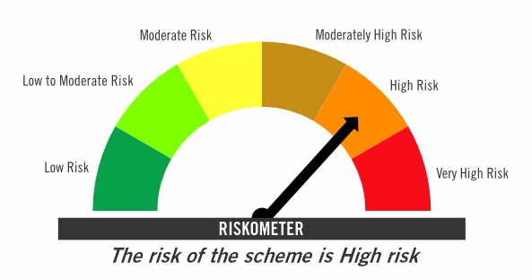

Primary Benchmark: CRISIL Short Term Debt Hybrid 60+40 Index (Effective August 12, 2024, the benchmark is changed from 40% Nifty 500+60% Crisil Composite Bond Index)

Risk level of primary benchmark as on January 30, 2026
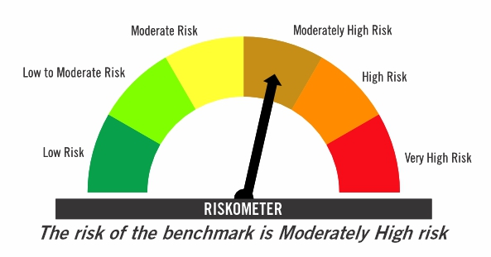

^ Franklin India Pension Plan is renames as Franklin India Retirement Fund effective July 11, 2025.

Investors should consult their financial advisers if in doubt about whether the product is suitable for them

FICHF
...
b) Aggregate Distributions declared during the Half - year ended 30-Jan-2026
IDCW - Income Distribution cum capital withdrawal

c) Residual maturity / Average Maturity as on 30-Jan-2026 | 6.10 | (In Years)

d) During the month additional instances of fair valuation/deviation from valuation price provided by the valuation agencies | Nil

e) Risk-o-meter

Risk level based on portfolio as on January 30, 2026

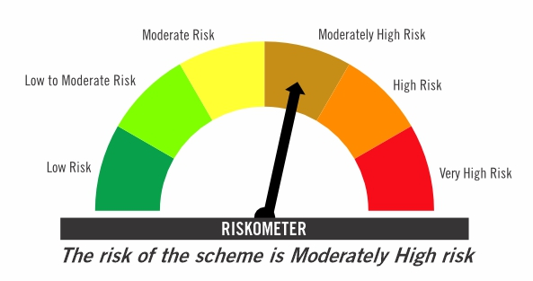

Primary Benchmark: CRISIL Hybrid 85+15 Conservative Index

Risk level of primary benchmark as on January 30, 2026
...

FIMAAF
...
c) Portfolio Turnover Ratio during the Half - year 30-Jan-2026 | 31.25%

d) Residual maturity / Average Maturity as on 30-Jan-2026 | 4.05 | (In Years)

e) During the month additional instances of fair valuation/deviation from valuation price provided by the valuation agencies | Nil

f) Risk-o-meter

Risk level based on portfolio as on January 30, 2026

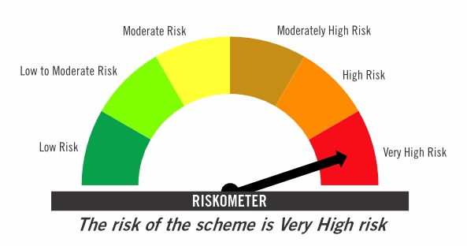

Primary Benchmark: 65% Nifty 500+ 20% Nifty Short Duration Index+ 5% Domestic price of gold+ 5% Domestic price of silver+ 5% iCOMDEX

Risk level of primary benchmark as on January 30, 2026

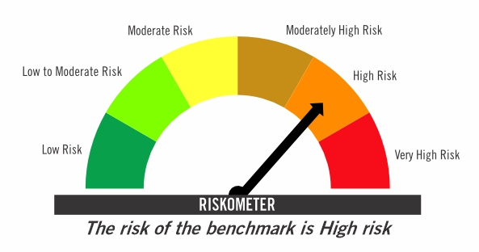

Investors should consult their financial advisers if in doubt about whether the product is suitable for them

TIVF
...
Tier-2 Index: NIFTY500 Value 50

Risk level of tier-2 benchmark as on January 30, 2026

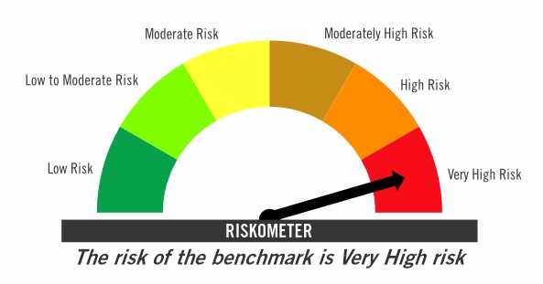

Investors should consult their financial advisers if in doubt about whether the product is suitable for them

