FIONF
Franklin India Overnight Fund

Portfolio Statement as on March 31, 2026
ISIN Number | Name of the Instrument | Rating | Quantity | Market Value (including accrued interest, if any) (Rs. in Lakhs) | % to Net Assets | YTM
Money Market Instruments
Treasury Bill
IN002025X422 | 91 DTB (23-Apr-2026) $ ~~ | SOVEREIGN | 3,400,000 | 3,389.17 | 6.43 | 5.30
IN002025Y297 | 182 DTB (16-Apr-2026) | SOVEREIGN | 400,000 | 399.13 | 0.76 | 5.30
IN002025X406 | 91 DTB (09-Apr-2026) | SOVEREIGN | 300,000 | 299.65 | 0.57 | 5.30
Sub Total |  |  |  | 4,087.95 | 7.76

Total |  |  |  | 4,087.95 | 7.76

Call, Cash & Other Assets |  |  |  | 48,618.86 | 92.24

Net Assets |  |  |  | 52,706.81 | 100.00
$ ~~ 100.00% of the Investment in this security by scheme is placed with Clearing Corporation of India Limited (CCIL) as collateral.

Notes
a) NAV at the beginning and at the end of the Half-year ended 31-Mar-2026
Plan/Option |  | As on 30-Sep-2025 | As on 31-Mar-2026
Growth Plan |  | 1,364.1644 | 1,400.1353
Daily IDCW Plan |  | 1,000.0001 | 1000.2065 #
Weekly IDCW Plan |  | 1,000.3088 | 1000.4258 #
Direct Growth Plan |  | 1,368.5822 | 1,404.9263
Direct Daily IDCW Plan |  | 1,000.0008 | 1000.2045 #
Direct Weekly IDCW Plan |  | 1,000.3056 | 1000.4220 #
Unclaimed Redemption Plan |  | 12.4214 | 12.7513 #
Unclaimed IDCW Plan |  | 12.4214 | 12.7513 #
Unclaimed Redemption Investor Education Plan |  | 10.0000 | 10.0000 #
Unclaimed IDCW Investor Education Plan |  | 10.0000 | 10.0000 #

# Non-business day NAV computed for disclosure purposes only.

b) Aggregate Distributions declared during the Half - year ended 31-Mar-2026
Plan Name |  | Distributions per unit (Rs.)+++
Daily IDCW Plan |  | 25.5467
Weekly IDCW Plan |  | 25.9711
Direct Daily IDCW Plan |  | 26.0182
Direct Weekly IDCW Plan |  | 26.1450
+++ Distribution payouts/ re-investments are subject to deduction of TDS at the applicable rates.
IDCW - Income Distribution cum capital withdrawal

c) Residual maturity / Average Maturity as on 31-Mar-2026 |  |  | 0.005 | (In Years)

d) During the month additional instances of fair valuation/deviation from valuation price provided by the valuation agencies |  |  | Nil

e) Risk-o-meter

Risk level based on portfolio as on March 31, 2026
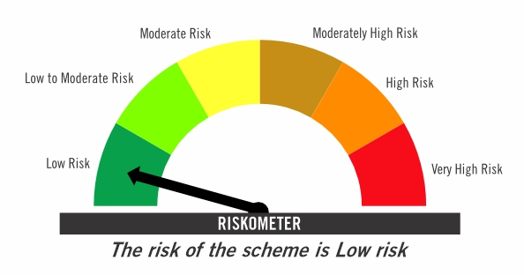

Primary Benchmark: Tier-1 Index: NIFTY 1D Rate Index (Effective April 1, 2024, the benchmark of the scheme is changed from CRISIL Liquid Overnight Index)

Risk level of primary benchmark as on March 30, 2026
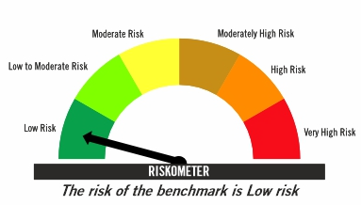

Investors should consult their financial advisers if in doubt about whether the product is suitable for them

FIRF
Franklin India Retirement Fund (formerly known as Franklin India Pension Plan)^

Portfolio Statement as on March 31, 2026
ISIN Number | Name of the Instrument | Industry Classification / Rating | Quantity | Market Value (including accrued interest, if any) (Rs. in Lakhs) | % to Net Assets | YTM
Equity & Equity related
(a) Listed / awaiting listing on Stock Exchanges
INE040A01034 | HDFC Bank Ltd | Banks | 180,000 | 1,316.79 | 2.72
INE090A01021 | ICICI Bank Ltd | Banks | 82,000 | 988.84 | 2.04
INE002A01018 | Reliance Industries Ltd | Petroleum Products | 70,000 | 940.73 | 1.94
INE397D01024 | Bharti Airtel Ltd | Telecom - Services | 45,000 | 802.08 | 1.65
INE062A01020 | State Bank of India | Banks | 80,000 | 783.52 | 1.62
INE238A01034 | Axis Bank Ltd | Banks | 67,000 | 778.07 | 1.61
INE018A01030 | Larsen & Toubro Ltd | Construction | 20,500 | 718.34 | 1.48
INE009A01021 | Infosys Ltd | IT - Software | 56,604 | 707.89 | 1.46
INE860A01027 | HCL Technologies Ltd | IT - Software | 41,000 | 550.06 | 1.13
INE733E01010 | NTPC Ltd | Power | 140,000 | 518.91 | 1.07
INE758T01015 | Eternal Ltd | Retailing | 200,000 | 457.96 | 0.94
INE437A01024 | Apollo Hospitals Enterprise Ltd | Healthcare Services | 6,000 | 445.14 | 0.92
INE481G01011 | Ultratech Cement Ltd | Cement & Cement Products | 4,100 | 440.55 | 0.91
INE101A01026 | Mahindra & Mahindra Ltd | Automobiles | 14,000 | 413.66 | 0.85
INE216A01030 | Britannia Industries Ltd | Food Products | 6,700 | 363.34 | 0.75
INE044A01036 | Sun Pharmaceutical Industries Ltd | Pharmaceuticals & Biotechnology | 20,000 | 351.44 | 0.73
INE081A01020 | Tata Steel Ltd | Ferrous Metals | 170,000 | 326.16 | 0.67
INE196A01026 | Marico Ltd | Agricultural Food & Other Products | 42,000 | 309.10 | 0.64
INE146L01010 | Kirloskar Oil Engines Ltd | Industrial Products | 23,000 | 305.65 | 0.63
INE486A01021 | CESC Ltd | Power | 200,000 | 300.34 | 0.62
INE417T01026 | PB Fintech Ltd | Financial Technology (Fintech) | 21,000 | 299.84 | 0.62
INE263A01024 | Bharat Electronics Ltd | Aerospace & Defense | 70,000 | 280.46 | 0.58
INE371P01015 | Amber Enterprises India Ltd | Consumer Durables | 4,000 | 261.96 | 0.54
INE211B01039 | Phoenix Mills Ltd | Realty | 17,000 | 256.07 | 0.53
INE765G01017 | ICICI Lombard General Insurance Co Ltd | Insurance | 14,000 | 239.48 | 0.49
INE112L01020 | Metropolis Healthcare Ltd | Healthcare Services | 54,000 | 234.36 | 0.48
INE406M01024 | Eris Lifesciences Ltd | Pharmaceuticals & Biotechnology | 15,441 | 200.30 | 0.41
INE646L01027 | Interglobe Aviation Ltd | Transport Services | 5,000 | 197.18 | 0.41
INE585B01010 | Maruti Suzuki India Ltd | Automobiles | 1,500 | 184.59 | 0.38
INE795G01014 | HDFC Life Insurance Co Ltd | Insurance | 30,000 | 177.18 | 0.37
INE030A01027 | Hindustan Unilever Ltd | Diversified FMCG | 8,500 | 174.69 | 0.36
INE066F01020 | Hindustan Aeronautics Ltd | Aerospace & Defense | 5,000 | 174.36 | 0.36
INE976I01016 | Tata Capital Ltd | Finance | 56,000 | 170.80 | 0.35
INE121A01024 | Cholamandalam Investment and Finance Co Ltd | Finance | 12,000 | 162.56 | 0.34
INE208A01029 | Ashok Leyland Ltd | Agricultural, Commercial & Construction Vehicles | 100,000 | 154.13 | 0.32
INE01TY01017 | Canara HSBC Life Insurance Co Ltd | Insurance | 106,000 | 149.09 | 0.31
INE970X01018 | Lemon Tree Hotels Ltd | Leisure Services | 120,000 | 120.50 | 0.25
INE665J01013 | V-Mart Retail Ltd | Retailing | 25,028 | 119.43 | 0.25
INE885A01032 | Amara Raja Energy And Mobility Ltd | Auto Components | 17,690 | 118.96 | 0.25
INE572E01012 | PNB Housing Finance Ltd | Finance | 15,000 | 113.26 | 0.23
INE342J01019 | ZF Commercial Vehicle Control Systems India Ltd | Auto Components | 539 | 74.21 | 0.15
INE732I01021 | Angel One Ltd | Capital Markets | 20,000 | 45.51 | 0.09
INE2KCE01013 | Kwality Wall’s India Ltd | Food Products | 11,500 | 2.58 | 0.01
Sub Total |  |  |  | 15,730.06 | 32.45

Debt Instruments
(a) Listed / awaiting listing on Stock Exchanges
INE261F08EO7 | 7.48% National Bank For Agriculture & Rural Development (15-Sep-2028) ** | IND AAA | 4,500 | 4,673.70 | 9.64 | 7.54
INE1D4P08019 | 0.00% Jubilant Bevco Ltd (31-May-2028) ** | CRISIL AA | 2,668 | 2,894.09 | 5.97 | 8.69
...
b) Aggregate Distributions declared during the Half - year ended 31-Mar-2026
IDCW - Income Distribution cum capital withdrawal

c) Residual maturity / Average Maturity as on 31-Mar-2026 |  |  | 5.44 | (In Years)

d) During the month additional instances of fair valuation/deviation from valuation price provided by the valuation agencies |  |  | Nil

e) Risk-o-meter

Risk level based on portfolio as on March 31, 2026

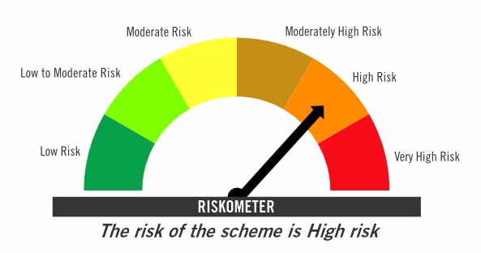

Primary Benchmark: CRISIL Short Term Debt Hybrid 60+40 Index (Effective August 12, 2024, the benchmark is changed from 40% Nifty 500+60% Crisil Composite Bond Index)

Risk level of primary benchmark as on March 31, 2026
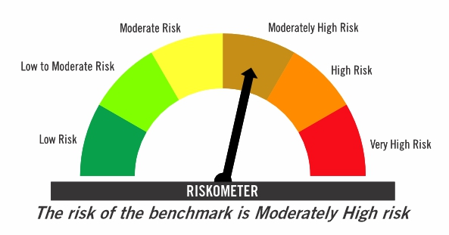

^ Franklin India Pension Plan is renames as Franklin India Retirement Fund effective July 11, 2025.

Investors should consult their financial advisers if in doubt about whether the product is suitable for them

FICHF
...
b) Aggregate Distributions declared during the Half - year ended 31-Mar-2026
IDCW - Income Distribution cum capital withdrawal

c) Residual maturity / Average Maturity as on 31-Mar-2026 | 9.55 | (In Years)

d) During the month additional instances of fair valuation/deviation from valuation price provided by the valuation agencies | Nil

e) Risk-o-meter

Risk level based on portfolio as on March 31, 2026

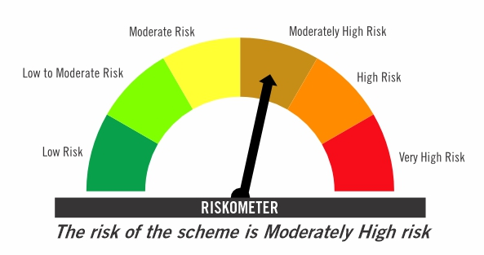

Primary Benchmark: CRISIL Hybrid 85+15 Conservative Index

Risk level of primary benchmark as on March 31, 2026
...

FIMAAF
...
c) Portfolio Turnover Ratio during the Half - year 31-Mar-2026 | 32.21%

d) Residual maturity / Average Maturity as on 31-Mar-2026 | 2.98 | (In Years)

e) During the month additional instances of fair valuation/deviation from valuation price provided by the valuation agencies | Nil

f) Risk-o-meter

Risk level based on portfolio as on March 31, 2026

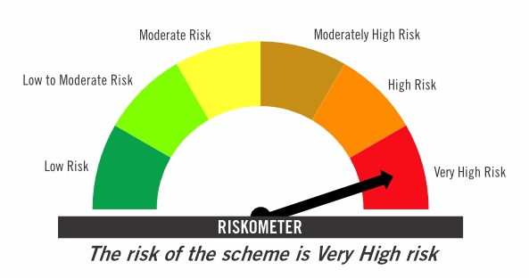

Primary Benchmark: 65% Nifty 500+ 20% Nifty Short Duration Index+ 5% Domestic price of gold+ 5% Domestic price of silver+ 5% iCOMDEX

Risk level of primary benchmark as on March 30, 2026

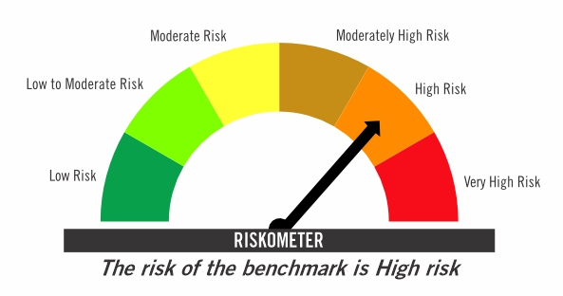

Investors should consult their financial advisers if in doubt about whether the product is suitable for them

TIVF
...
Tier-2 Index: NIFTY500 Value 50

Risk level of primary benchmark as on March 30, 2026

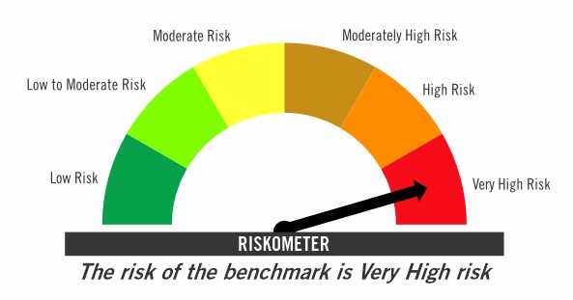

Investors should consult their financial advisers if in doubt about whether the product is suitable for them

