FIONF
Franklin India Overnight Fund

Portfolio Statement as on February 27, 2026
ISIN Number | Name of the Instrument | Rating | Quantity | Market Value (including accrued interest, if any) (Rs. in Lakhs) | % to Net Assets | YTM
Money Market Instruments
Treasury Bill
IN002025X372 | 91 DTB (12-Mar-2026) | SOVEREIGN | 1,500,000 | 1,497.64 | 1.97 | 4.80
IN002025X380 | 91 DTB (19-Mar-2026) | SOVEREIGN | 1,000,000 | 997.61 | 1.32 | 4.60
IN002025X398 | 91 DTB (27-Mar-2026) | SOVEREIGN | 1,000,000 | 996.50 | 1.31 | 4.75
IN002024Z487 | 364 DTB (12-Mar-2026) | SOVEREIGN | 300,000 | 299.53 | 0.39 | 4.80
Sub Total |  |  |  | 3,791.27 | 5.00

Total |  |  |  | 3,791.27 | 5.00

Call, Cash & Other Assets |  |  |  | 72,045.97 | 95.00

Net Assets |  |  |  | 75,837.24 | 100.00

Notes
a) NAV at the beginning and at the end of the Half-year ended 27-Feb-2026
Plan/Option |  | As on 29-Aug-2025 | As on 27-Feb-2026
Growth Plan |  | 1,357.7971 | 1,393.7549
Daily IDCW Plan |  | 1,000.0001 | 1,000.0001
Weekly IDCW Plan |  | 1,000.7339 | 1,000.6688
Direct Growth Plan |  | 1,362.1428 | 1,398.4750
Direct Daily IDCW Plan |  | 1,000.0008 | 1,000.0007
Direct Weekly IDCW Plan |  | 1,000.7340 | 1,000.6712
Unclaimed Redemption Plan |  | 12.3630 | 12.6927
Unclaimed IDCW Plan |  | 12.3630 | 12.6927
Unclaimed Redemption Investor Education Plan |  | 10.0000 | 10.0000
Unclaimed IDCW Investor Education Plan |  | 10.0000 | 10.0000

b) Aggregate Distributions declared during the Half - year ended 27-Feb-2026
Plan Name |  | Distributions per unit (Rs.)+++
Daily IDCW Plan |  | 25.5513
Weekly IDCW Plan |  | 25.2310
Direct Daily IDCW Plan |  | 26.0329
Direct Weekly IDCW Plan |  | 25.3968
+++ Distribution payouts/ re-investments are subject to deduction of TDS at the applicable rates.
IDCW - Income Distribution cum capital withdrawal

c) Residual maturity / Average Maturity as on 27-Feb-2026 |  |  | 0.003 | (In Years)

d) During the month additional instances of fair valuation/deviation from valuation price provided by the valuation agencies |  |  | Nil

e) Risk-o-meter

Risk level based on portfolio as on February 27, 2026
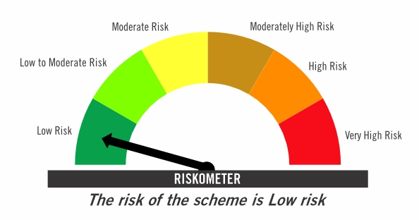

Primary Benchmark: Tier-1 Index: NIFTY 1D Rate Index (Effective April 1, 2024, the benchmark of the scheme is changed from CRISIL Liquid Overnight Index)

Risk level of primary benchmark as on February 27, 2026
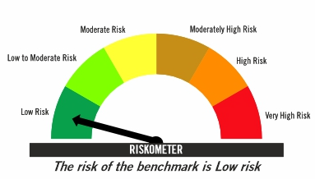

Investors should consult their financial advisers if in doubt about whether the product is suitable for them

FIRF
Franklin India Retirement Fund (formerly known as Franklin India Pension Plan)^

Portfolio Statement as on February 27, 2026
ISIN Number | Name of the Instrument | Industry Classification / Rating | Quantity | Market Value (including accrued interest, if any) (Rs. in Lakhs) | % to Net Assets | YTM
Equity & Equity related
(a) Listed / awaiting listing on Stock Exchanges
INE040A01034 | HDFC Bank Ltd | Banks | 220,000 | 1,953.05 | 3.84
INE018A01030 | Larsen & Toubro Ltd | Construction | 27,100 | 1,159.42 | 2.28
INE090A01021 | ICICI Bank Ltd | Banks | 82,000 | 1,130.70 | 2.23
INE002A01018 | Reliance Industries Ltd | Petroleum Products | 70,000 | 975.73 | 1.92
INE062A01020 | State Bank of India | Banks | 80,000 | 961.36 | 1.89
INE238A01034 | Axis Bank Ltd | Banks | 67,000 | 927.21 | 1.82
INE397D01024 | Bharti Airtel Ltd | Telecom - Services | 45,000 | 845.69 | 1.66
INE009A01021 | Infosys Ltd | IT - Software | 56,604 | 735.91 | 1.45
INE860A01027 | HCL Technologies Ltd | IT - Software | 41,000 | 569.53 | 1.12
INE733E01010 | NTPC Ltd | Power | 140,000 | 534.66 | 1.05
INE481G01011 | Ultratech Cement Ltd | Cement & Cement Products | 4,100 | 519.76 | 1.02
INE758T01015 | Eternal Ltd | Retailing | 200,000 | 492.60 | 0.97
INE101A01026 | Mahindra & Mahindra Ltd | Automobiles | 14,000 | 475.64 | 0.94
INE437A01024 | Apollo Hospitals Enterprise Ltd | Healthcare Services | 6,000 | 469.29 | 0.92
INE216A01030 | Britannia Industries Ltd | Food Products | 6,700 | 402.17 | 0.79
INE081A01020 | Tata Steel Ltd | Ferrous Metals | 170,000 | 360.96 | 0.71
INE044A01036 | Sun Pharmaceutical Industries Ltd | Pharmaceuticals & Biotechnology | 20,000 | 347.40 | 0.68
INE196A01026 | Marico Ltd | Agricultural Food & Other Products | 42,000 | 331.23 | 0.65
INE146L01010 | Kirloskar Oil Engines Ltd | Industrial Products | 23,000 | 320.44 | 0.63
INE371P01015 | Amber Enterprises India Ltd | Consumer Durables | 4,000 | 318.96 | 0.63
INE486A01021 | CESC Ltd | Power | 200,000 | 316.30 | 0.62
INE263A01024 | Bharat Electronics Ltd | Aerospace & Defense | 70,000 | 311.29 | 0.61
INE417T01026 | PB Fintech Ltd | Financial Technology (Fintech) | 21,000 | 311.14 | 0.61
INE211B01039 | Phoenix Mills Ltd | Realty | 17,000 | 281.96 | 0.55
INE765G01017 | ICICI Lombard General Insurance Co Ltd | Insurance | 14,000 | 266.21 | 0.52
INE112L01020 | Metropolis Healthcare Ltd | Healthcare Services | 13,500 | 257.01 | 0.51
INE646L01027 | Interglobe Aviation Ltd | Transport Services | 5,000 | 241.36 | 0.47
INE585B01010 | Maruti Suzuki India Ltd | Automobiles | 1,500 | 222.86 | 0.44
INE797F01020 | Jubilant Foodworks Ltd | Leisure Services | 42,300 | 219.92 | 0.43
INE795G01014 | HDFC Life Insurance Co Ltd | Insurance | 30,000 | 214.59 | 0.42
INE208A01029 | Ashok Leyland Ltd | Agricultural, Commercial & Construction Vehicles | 100,000 | 211.10 | 0.42
INE406M01024 | Eris Lifesciences Ltd | Pharmaceuticals & Biotechnology | 15,441 | 209.74 | 0.41
INE121A01024 | Cholamandalam Investment and Finance Co Ltd | Finance | 12,000 | 207.70 | 0.41
INE030A01027 | Hindustan Unilever Ltd | Diversified FMCG | 8,500 | 198.74 | 0.39
INE066F01020 | Hindustan Aeronautics Ltd | Aerospace & Defense | 5,000 | 195.66 | 0.39
INE976I01016 | Tata Capital Ltd | Finance | 56,000 | 186.82 | 0.37
INE665J01013 | V-Mart Retail Ltd | Retailing | 27,000 | 149.53 | 0.29
INE885A01032 | Amara Raja Energy And Mobility Ltd | Auto Components | 17,690 | 149.47 | 0.29
INE985S01024 | Teamlease Services Ltd | Commercial Services & Supplies | 12,000 | 146.33 | 0.29
INE970X01018 | Lemon Tree Hotels Ltd | Leisure Services | 120,000 | 136.40 | 0.27
INE572E01012 | PNB Housing Finance Ltd | Finance | 15,000 | 123.71 | 0.24
INE01TY01017 | Canara HSBC Life Insurance Co Ltd | Insurance | 80,037 | 114.56 | 0.23
INE342J01019 | ZF Commercial Vehicle Control Systems India Ltd | Auto Components | 539 | 81.73 | 0.16
INE732I01021 | Angel One Ltd | Capital Markets | 20,000 | 46.64 | 0.09
INE2KCE01013 | Kwality Wall’s India Ltd | Food Products | 11,500 | 3.00 | 0.01
Sub Total |  |  |  | 18,635.46 | 36.67

Debt Instruments
(a) Listed / awaiting listing on Stock Exchanges
INE261F08EO7 | 7.48% National Bank For Agriculture & Rural Development (15-Sep-2028) | IND AAA | 4,500 | 4,692.91 | 9.24 | 7.06
INE1D4P08019 | 0.00% Jubilant Bevco Ltd (31-May-2028) ** | CRISIL AA | 3,000 | 3,258.23 | 6.41 | 8.28
...
b) Aggregate Distributions declared during the Half - year ended 27-Feb-2026
IDCW - Income Distribution cum capital withdrawal

c) Residual maturity / Average Maturity as on 27-Feb-2026 |  |  | 6.69 | (In Years)

d) During the month additional instances of fair valuation/deviation from valuation price provided by the valuation agencies |  |  | Nil

e) Risk-o-meter

Risk level based on portfolio as on February 27, 2026

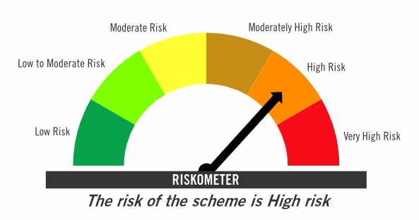

Primary Benchmark: CRISIL Short Term Debt Hybrid 60+40 Index (Effective August 12, 2024, the benchmark is changed from 40% Nifty 500+60% Crisil Composite Bond Index)

Risk level of primary benchmark as on February 27, 2026
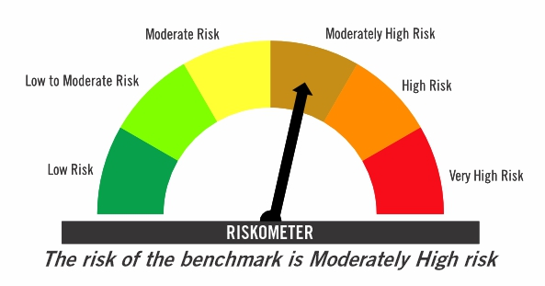

^ Franklin India Pension Plan is renames as Franklin India Retirement Fund effective July 11, 2025.

Investors should consult their financial advisers if in doubt about whether the product is suitable for them

FICHF
...
b) Aggregate Distributions declared during the Half - year ended 27-Feb-2026
IDCW - Income Distribution cum capital withdrawal

c) Residual maturity / Average Maturity as on 27-Feb-2026 | 11.26 | (In Years)

d) During the month additional instances of fair valuation/deviation from valuation price provided by the valuation agencies | Nil

e) Risk-o-meter

Risk level based on portfolio as on February 27, 2026

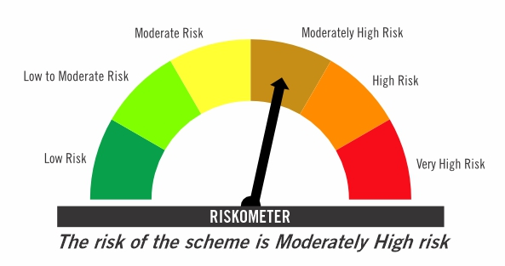

Primary Benchmark: CRISIL Hybrid 85+15 Conservative Index

Risk level of primary benchmark as on February 27, 2026
...

FIMAAF
...
c) Portfolio Turnover Ratio during the Half - year 27-Feb-2026 | 31.97%

d) Residual maturity / Average Maturity as on 27-Feb-2026 | 3.64 | (In Years)

e) During the month additional instances of fair valuation/deviation from valuation price provided by the valuation agencies | Nil

f) Risk-o-meter

Risk level based on portfolio as on February 27, 2026

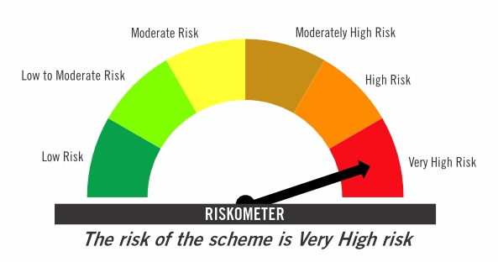

Primary Benchmark: 65% Nifty 500+ 20% Nifty Short Duration Index+ 5% Domestic price of gold+ 5% Domestic price of silver+ 5% iCOMDEX

Risk level of primary benchmark as on February 27, 2026

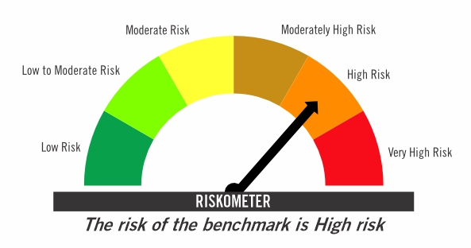

Investors should consult their financial advisers if in doubt about whether the product is suitable for them

TIVF
...
Tier-2 Index: NIFTY500 Value 50

Risk level of tier-2 benchmark as on February 27, 2026

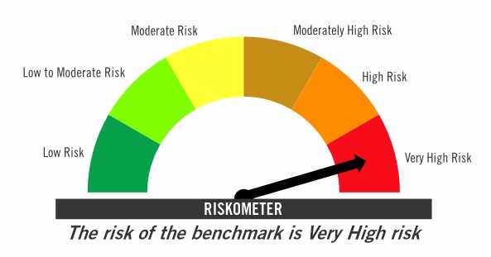

Investors should consult their financial advisers if in doubt about whether the product is suitable for them

