FIONF
Franklin India Overnight Fund

Portfolio Statement as on December 31, 2025
ISIN Number | Name of the Instrument | Rating | Quantity | Market Value (including accrued interest, if any) (Rs. in Lakhs) | % to Net Assets | YTM
Money Market Instruments
Treasury Bill
IN002025Y172 | 182 DTB (22-Jan-2026) | SOVEREIGN | 2,000,000 | 1,993.98 | 4.24 | 5.25
IN002024Z404 | 364 DTB (15-Jan-2026) | SOVEREIGN | 1,400,000 | 1,397.19 | 2.97 | 5.25
IN002024Z396 | 364 DTB (08-Jan-2026) | SOVEREIGN | 1,300,000 | 1,298.69 | 2.76 | 5.25
IN002025Y156 | 182 DTB (08-Jan-2026) | SOVEREIGN | 500,000 | 499.50 | 1.06 | 5.25
Sub Total |  |  |  | 5,189.35 | 11.02

Total |  |  |  | 5,189.35 | 11.02

Call, Cash & Other Assets |  |  |  | 41,890.97 | 88.98

Net Assets |  |  |  | 47,080.32 | 100.00

Notes
a) NAV at the beginning and at the end of the Half-year ended 31-Dec-2025
Plan/Option |  | As on 30-Jun-2025 | As on 31-Dec-2025
Growth Plan |  | 1,346.0622 | 1,382.5583
Daily IDCW Plan |  | 1,000.0001 | 1,000.0001
Weekly IDCW Plan |  | 1,000.1585 | 1,000.4550
Direct Growth Plan |  | 1,350.2750 | 1,387.1498
Direct Daily IDCW Plan |  | 1,000.0008 | 1,000.0007
Direct Weekly IDCW Plan |  | 1,000.1565 | 1,000.4519
Unclaimed Redemption Plan |  | 12.2553 | 12.5899
Unclaimed IDCW Plan |  | 12.2553 | 12.5899
Unclaimed Redemption Investor Education Plan |  | 10.0000 | 10.0000
Unclaimed IDCW Investor Education Plan |  | 10.0000 | 10.0000

b) Aggregate Distributions declared during the Half - year ended 31-Dec-2025
Plan Name |  | Distributions per unit (Rs.)+++
Daily IDCW Plan |  | 26.4756
Weekly IDCW Plan |  | 26.5046
Direct Daily IDCW Plan |  | 26.9528
Direct Weekly IDCW Plan |  | 26.6860
+++ Distribution payouts/ re-investments are subject to deduction of TDS at the applicable rates.
IDCW - Income Distribution cum capital withdrawal

c) Residual maturity / Average Maturity as on 31-Dec-2025 |  |  | 0.005 | (In Years)

d) During the month additional instances of fair valuation/deviation from valuation price provided by the valuation agencies |  |  | Nil

e) Risk-o-meter

Risk level based on portfolio as on December 31, 2025
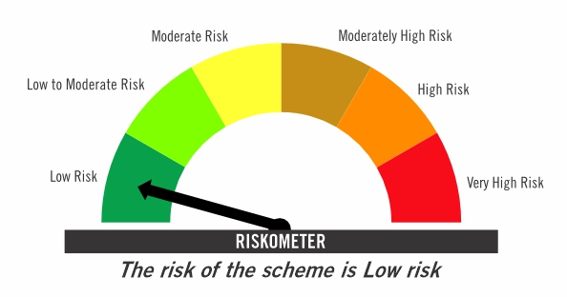

Primary Benchmark: Tier-1 Index: NIFTY 1D Rate Index (Effective April 1, 2024, the benchmark of the scheme is changed from CRISIL Liquid Overnight Index)

Risk level of primary benchmark as on December 31, 2025
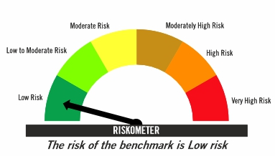

Investors should consult their financial advisers if in doubt about whether the product is suitable for them

FIRF
Franklin India Retirement Fund (formerly known as Franklin India Pension Plan)^

Portfolio Statement as on December 31, 2025
ISIN Number | Name of the Instrument | Industry Classification / Rating | Quantity | Market Value (including accrued interest, if any) (Rs. in Lakhs) | % to Net Assets | YTM
Equity & Equity related
(a) Listed / awaiting listing on Stock Exchanges
INE040A01034 | HDFC Bank Ltd | Banks | 220,000 | 2,180.64 | 4.21
INE018A01030 | Larsen & Toubro Ltd | Construction | 27,100 | 1,106.63 | 2.14
INE090A01021 | ICICI Bank Ltd | Banks | 82,000 | 1,101.18 | 2.13
INE397D01024 | Bharti Airtel Ltd | Telecom - Services | 48,000 | 1,010.69 | 1.95
INE002A01018 | Reliance Industries Ltd | Petroleum Products | 60,000 | 942.24 | 1.82
INE009A01021 | Infosys Ltd | IT - Software | 56,604 | 914.38 | 1.77
INE238A01034 | Axis Bank Ltd | Banks | 66,000 | 837.80 | 1.62
INE062A01020 | State Bank of India | Banks | 70,000 | 687.54 | 1.33
INE860A01027 | HCL Technologies Ltd | IT - Software | 41,000 | 665.55 | 1.29
INE758T01015 | Eternal Ltd | Retailing | 200,000 | 556.10 | 1.07
INE101A01026 | Mahindra & Mahindra Ltd | Automobiles | 14,000 | 519.29 | 1.00
INE481G01011 | Ultratech Cement Ltd | Cement & Cement Products | 3,900 | 459.58 | 0.89
INE733E01010 | NTPC Ltd | Power | 135,000 | 444.89 | 0.86
INE437A01024 | Apollo Hospitals Enterprise Ltd | Healthcare Services | 6,000 | 422.55 | 0.82
INE044A01036 | Sun Pharmaceutical Industries Ltd | Pharmaceuticals & Biotechnology | 24,000 | 412.73 | 0.80
INE417T01026 | PB Fintech Ltd | Financial Technology (Fintech) | 21,000 | 383.38 | 0.74
INE216A01030 | Britannia Industries Ltd | Food Products | 6,000 | 361.86 | 0.70
INE795G01014 | HDFC Life Insurance Co Ltd | Insurance | 45,000 | 337.43 | 0.65
INE081A01020 | Tata Steel Ltd | Ferrous Metals | 170,000 | 306.14 | 0.59
INE129A01019 | GAIL (India) Ltd | Gas | 175,000 | 301.28 | 0.58
INE371P01015 | Amber Enterprises India Ltd | Consumer Durables | 4,490 | 286.78 | 0.55
INE146L01010 | Kirloskar Oil Engines Ltd | Industrial Products | 23,000 | 280.32 | 0.54
INE263A01024 | Bharat Electronics Ltd | Aerospace & Defense | 70,000 | 279.72 | 0.54
INE030A01027 | Hindustan Unilever Ltd | Diversified Fmcg | 11,500 | 266.33 | 0.51
INE112L01020 | Metropolis Healthcare Ltd | Healthcare Services | 13,500 | 260.40 | 0.50
INE646L01027 | Interglobe Aviation Ltd | Transport Services | 5,000 | 252.98 | 0.49
INE486A01021 | CESC Ltd | Power | 150,000 | 251.34 | 0.49
INE585B01010 | Maruti Suzuki India Ltd | Automobiles | 1,500 | 250.46 | 0.48
INE211B01039 | Phoenix Mills Ltd | Realty | 13,000 | 240.96 | 0.47
INE196A01026 | Marico Ltd | Agricultural Food & Other Products | 31,800 | 238.69 | 0.46
INE797F01020 | Jubilant Foodworks Ltd | Leisure Services | 42,300 | 236.29 | 0.46
INE406M01024 | Eris Lifesciences Ltd | Pharmaceuticals & Biotechnology | 15,441 | 232.48 | 0.45
INE066F01020 | Hindustan Aeronautics Ltd | Aerospace & Defense | 5,000 | 219.44 | 0.42
INE854D01024 | United Spirits Ltd | Beverages | 15,000 | 216.56 | 0.42
INE121A01024 | Cholamandalam Investment and Finance Co Ltd | Finance | 12,000 | 204.26 | 0.39
INE765G01017 | ICICI Lombard General Insurance Co Ltd | Insurance | 10,000 | 196.21 | 0.38
INE603J01030 | PI Industries Ltd | Fertilizers & Agrochemicals | 6,000 | 194.29 | 0.38
INE665J01013 | V-Mart Retail Ltd | Retailing | 27,000 | 193.13 | 0.37
INE970X01018 | Lemon Tree Hotels Ltd | Leisure Services | 120,000 | 191.11 | 0.37
INE885A01032 | Amara Raja Energy And Mobility Ltd | Auto Components | 21,000 | 191.01 | 0.37
INE985S01024 | Teamlease Services Ltd | Commercial Services & Supplies | 12,000 | 186.85 | 0.36
INE208A01029 | Ashok Leyland Ltd | Agricultural, Commercial & Construction Vehicles | 100,000 | 179.19 | 0.35
INE974X01010 | Tube Investments of India Ltd | Auto Components | 6,000 | 156.85 | 0.30
INE299U01018 | Crompton Greaves Consumer Electricals Ltd | Consumer Durables | 60,000 | 151.35 | 0.29
INE342J01019 | ZF Commercial Vehicle Control Systems India Ltd | Auto Components | 1,000 | 148.78 | 0.29
INE572E01012 | PNB Housing Finance Ltd | Finance | 15,000 | 142.73 | 0.28
INE716A01013 | Whirlpool Of India Ltd | Consumer Durables | 15,000 | 134.87 | 0.26
INE976I01016 | Tata Capital Ltd | Finance | 32,300 | 110.42 | 0.21
...
b) Aggregate Distributions declared during the Half - year ended 31-Dec-2025
IDCW - Income Distribution cum capital withdrawal

c) Residual maturity / Average Maturity as on 31-Dec-2025 |  |  | 8.72 | (In Years)

d) During the month additional instances of fair valuation/deviation from valuation price provided by the valuation agencies |  |  | Nil

e) Risk-o-meter

Risk level based on portfolio as on December 31, 2025

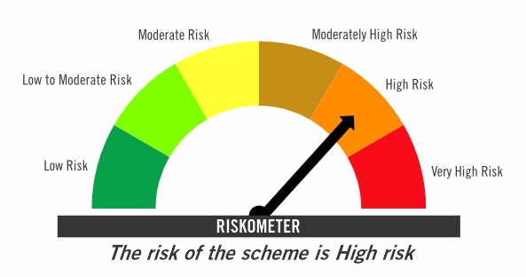

Primary Benchmark: CRISIL Short Term Debt Hybrid 60+40 Index (Effective August 12, 2024, the benchmark is changed from 40% Nifty 500+60% Crisil Composite Bond Index)

Risk level of primary benchmark as on December 31, 2025
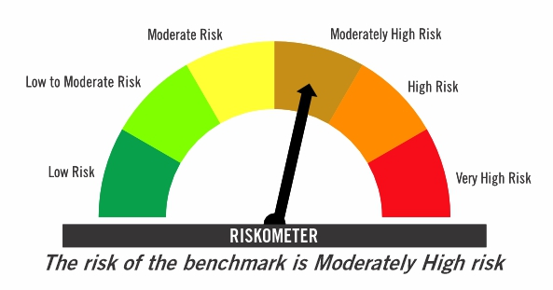

^ Franklin India Pension Plan is renames as Franklin India Retirement Fund effective July 11, 2025.

Investors should consult their financial advisers if in doubt about whether the product is suitable for them

FICHF
...
b) Aggregate Distributions declared during the Half - year ended 31-Dec-2025
IDCW - Income Distribution cum capital withdrawal

c) Residual maturity / Average Maturity as on 31-Dec-2025 | 12.35 | (In Years)

d) During the month additional instances of fair valuation/deviation from valuation price provided by the valuation agencies | Nil

e) Risk-o-meter

Risk level based on portfolio as on December 31, 2025

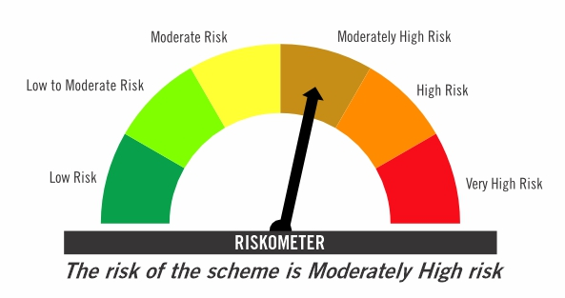

Primary Benchmark: CRISIL Hybrid 85+15 Conservative Index

Risk level of primary benchmark as on December 31, 2025
...

FIMAAF
...
e) Portfolio Turnover Ratio during the Half - year 31-Dec-2025 | 22.21%

f) Residual maturity / Average Maturity as on 31-Dec-2025 | 4.09 | (In Years)

g) During the month additional instances of fair valuation/deviation from valuation price provided by the valuation agencies | Nil

h) Risk-o-meter

Risk level based on portfolio as on December 31, 2025

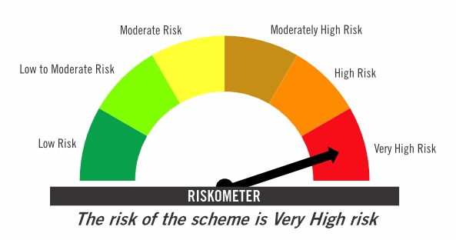

Primary Benchmark: 65% Nifty 500+ 20% Nifty Short Duration Index+ 5% Domestic price of gold+ 5% Domestic price of silver+ 5% iCOMDEX

Risk level of primary benchmark as on December 31, 2025

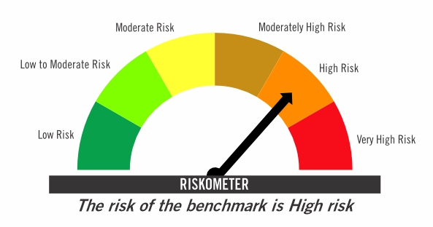

TIVF
...
Tier-2 Index: NIFTY500 Value 50

Risk level of tier-2 benchmark as on December 31, 2025

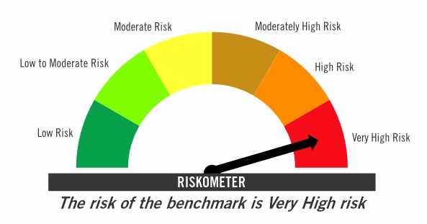

Investors should consult their financial advisers if in doubt about whether the product is suitable for them

